JIN Margins
 | TLC Ticket Price |  |  |  | JIN Ticket Price |  |  | JIN Website Premium |  |  |  | Return to Player |  |  |  | Jumbo Commissions |  |  |  |  |  |  |  |  | TLC from Jumbo
Game | Subscription Cost | Retailer Commission | Retailer Commission | TLC Ticket Price* | Jumbo Ticket price | Premium over TLC | Premium over TLC ($) | Premium over TLC ($) | Implied Price | Implied Comm | Implied Premium | Return to Player (Subs) | RTP ($) | RTP TLC | RTP Jumbo | Jumbo Commission (%) | Jumbo Commission ($) | Jumbo Markup vs. TLC | Total Jumbo Return ($) | Total Jumbo Return (%) | Service Fee | Ex Service Fee | Total Jumbo Return ($) | Ex Service Fee | Jumbo Service Fee (%) | Jumbo Service Fee ($) | Commission Witheld | TLC Net per Ticket | TLC Net per Ticket (%) |  |  | Pre Game Change | Post Game Change | Difference |  | Powerball | Oz Lotto | Saturday Lotto | M&W Lotto / Weekday Windfall | Set for Life | LL - Super Draw | LL - Mega Draw
POST GAME CHANGE |  |  |  |  |  |  |  |  |  |  |  |  |  |  |  |  |  |  |  |  |  |  |  |  |  |  |  |  |  | TLC Ticket Price |  |  |  |  | Pre Game Change
Powerball | $1.2000 | 12.30% | $0.1476 | $1.3476 | $1.5500 | 15.02% | $0.2024 | $0.2400 | $1.3100 | 9.17% | 18.32% | 60.00% | $0.7200 | 53.43% | 46.45% | 9.30% | $0.1116 | $0.2024 | $0.3140 | 20.3% | 4.65% | $0.0558 | $0.2582 | 16.7% | 4.65% | $0.0558 | $0.0360 | $0.0918 | 7.65% | Subscription Price |  | $1.10 | $1.20 | +9.1% | TLC | $1.21 | $1.43 | $0.83 | $0.61 | $4.63 | $2.20 | $5.50
Oz Lotto | $1.3000 | 12.30% | $0.1599 | $1.4599 | $1.6500 | 13.02% | $0.1901 | $0.2300 | $1.4200 | 9.23% | 16.20% | 60.00% | $0.7800 | 53.43% | 47.27% | 9.30% | $0.1209 | $0.1901 | $0.3110 | 18.8% | 4.65% | $0.0605 | $0.2505 | 15.2% | 4.65% | $0.0605 | $0.0390 | $0.0994 | 7.65% | Retailer Commission (%) |  | 10.30% | 12.30% | +200bps | Jumbo | $1.35 | $1.60 | $1.00 | $0.70 | $5.05 | $2.65 | $6.45
Saturday Lotto | $0.7500 | 12.30% | $0.0923 | $0.8422 | $1.0500 | 24.67% | $0.2078 | $0.2300 | $0.8200 | 9.33% | 28.05% | 60.00% | $0.4500 | 53.43% | 42.86% | 9.30% | $0.0698 | $0.2078 | $0.2775 | 26.4% | 4.65% | $0.0349 | $0.2426 | 23.1% | 4.65% | $0.0349 | $0.0225 | $0.0574 | 7.65% | Retailer Commission ($) |  | $0.11 | $0.15 | +30.3% | Markup | +11.3% | +11.6% | +20.9% | +15.4% | +9.0% | +20.5% | +17.3%
Weekday Windfall | $0.6000 | 12.30% | $0.0738 | $0.6738 | $0.8500 | 26.15% | $0.1762 | $0.2000 | $0.6500 | 8.33% | 30.77% | 60.00% | $0.3600 | 53.43% | 42.35% | 9.30% | $0.0558 | $0.1762 | $0.2320 | 27.3% | 4.65% | $0.0279 | $0.2041 | 24.0% | 4.65% | $0.0279 | $0.0180 | $0.0459 | 7.65% | TLC Ticket Price |  | $1.21 | $1.35 | +11.1%
Set for Life | $4.2000 | 12.30% | $0.5166 | $4.7166 | $5.1000 | 8.13% | $0.3834 | $0.5100 | $4.5900 | 9.29% | 11.11% | 63.25% | $2.6565 | 56.32% | 52.09% | 9.30% | $0.3906 | $0.3834 | $0.7740 | 15.2% | 4.65% | $0.1953 | $0.5787 | 11.3% | 4.65% | $0.1953 | $0.1260 | $0.3213 | 7.65% |  |  |  |  |  | Post Game Change
Lucky Lotteries - Super | $2.0000 | 10.00% | $0.2000 | $2.2000 | $2.7000 | 22.73% | $0.5000 | $0.5000 | $2.2000 | 10.00% | 22.73% | 61.52% | $1.2304 | 55.93% | 45.57% | 9.30% | $0.1860 | $0.5000 | $0.6860 | 25.4% | 4.65% | $0.0930 | $0.5930 | 22.0% | 4.65% | $0.0930 | $0.0140 | $0.1070 | 5.35% | Jumbo Retailer Commission |  |  |  |  | TLC | $1.35 | $1.46 | $0.84 | $0.67 | $4.72 | $2.20 | $5.50
Lucky Lotteries - Mega | $5.0000 | 10.00% | $0.5000 | $5.5000 | $6.5000 | 18.18% | $1.0000 | $1.0000 | $5.5000 | 10.00% | 18.18% | 62.25% | $3.1126 | 56.59% | 47.89% | 9.30% | $0.4650 | $1.0000 | $1.4650 | 22.5% | 4.65% | $0.2325 | $1.2325 | 19.0% | 4.65% | $0.2325 | $0.0350 | $0.2675 | 5.35% | JIN Commissions (%) |  | 9.30% | 9.30% | - | Jumbo | $1.55 | $1.65 | $1.05 | $0.85 | $5.10 | $2.70 | $6.50
Lotto Strike | $1.0000 | 12.30% | $0.1230 | $1.1230 | $1.5500 | 38.02% | $0.4270 | $0.4600 | $1.0900 | 9.00% | 42.20% | 60.00% | $0.6000 | 53.43% | 38.71% | 9.30% | $0.0930 | $0.4270 | $0.5200 | 33.5% | 4.65% | $0.0465 | $0.4735 | 30.5% | 4.65% | $0.0465 | $0.0300 | $0.0765 | 7.65% | JIN Retailer Commission | A | $0.10 | $0.11 | +9.1% | Markup | +15.0% | +13.0% | +24.7% | +26.2% | +8.1% | +22.7% | +18.2%
Super66 | $1.0000 | 7.00% | $0.0700 | $1.0700 | $1.3000 | 21.50% | $0.2300 | $0.2000 | $1.1000 | 10.00% | 18.18% | 60.00% | $0.6000 | 56.07% | 46.15% | 9.30% | $0.0930 | $0.2300 | $0.3230 | 24.8% | 4.65% | $0.0465 | $0.2765 | 21.3%
 |  |  |  |  |  |  |  |  |  |  |  |  |  |  |  |  |  |  |  |  |  |  |  |  |  |  |  |  |  | Jumbo Premium over TLC |  |  |  |  | Difference
PRE GAME CHANGE |  |  |  |  |  |  |  |  |  |  |  |  |  |  |  |  |  |  |  |  |  |  |  |  |  |  |  |  |  | JIN Ticket Price |  | $1.35 | $1.55 | +14.8% | TLC | 11.07% | 1.81% | 1.81% | 11.07% | 1.81% | 0.00% | 0.00%
Powerball | $1.1000 | 10.30% | $0.1133 | $1.2133 | $1.3500 | 11.27% | $0.1367 |  |  |  |  | 60.00% | $0.6600 | 54.40% | 48.89% | 9.30% | $0.1023 | $0.1367 | $0.2390 | 17.7% | 3.50% | $0.0385 | $0.2005 | 14.9% |  |  |  |  |  | Premium over TLC |  | 11.27% | 15.02% | +375bps | Jumbo | 14.81% | 3.12% | 5.00% | 21.43% | 0.99% | 1.89% | 0.78%
Oz Lotto | $1.3000 | 10.30% | $0.1339 | $1.4339 | $1.6000 | 11.58% | $0.1661 |  |  |  |  | 60.00% | $0.7800 | 54.40% | 48.75% | 9.30% | $0.1209 | $0.1661 | $0.2870 | 17.9% | 3.50% | $0.0455 | $0.2415 | 15.1% |  |  |  |  |  | Premium over TLC ($) | A | $0.14 | $0.20 | +48.1% | Markup | +3.8ppts | +1.4ppts | +3.8ppts | +10.8ppts | -0.9ppts | +2.3ppts | +0.9ppts
Saturday Lotto | $0.7500 | 10.30% | $0.0773 | $0.8273 | $1.0000 | 20.88% | $0.1727 |  |  |  |  | 60.00% | $0.4500 | 54.40% | 45.00% | 9.30% | $0.0698 | $0.1727 | $0.2425 | 24.2% | 3.50% | $0.0263 | $0.2162 | 21.6%
M&W Lotto | $0.5500 | 10.30% | $0.0567 | $0.6067 | $0.7000 | 15.39% | $0.0933 |  |  |  |  | 60.00% | $0.3300 | 54.40% | 47.14% | 9.30% | $0.0512 | $0.0933 | $0.1445 | 20.6% | 3.50% | $0.0193 | $0.1252 | 17.9% |  |  |  |  |  | Jumbo Revenue |  |  |  |  | Sub Price | $1.2000 | $1.3000 | $0.7500 | $0.6000 | $4.2000 | $2.0000 | $5.0000
Set for Life | $4.2000 | 10.30% | $0.4326 | $4.6326 | $5.0500 | 9.01% | $0.4174 |  |  |  |  | 63.25% | $2.6565 | 57.34% | 52.60% | 9.30% | $0.3906 | $0.4174 | $0.8080 | 16.0% | 3.50% | $0.1470 | $0.6610 | 13.1% |  |  |  |  |  | JIN Retailer Commission | A | $0.10 | $0.11 | +9.1%
Lucky Lotteries - Super | $2.0000 | 10.00% | $0.2000 | $2.2000 | $2.6500 | 20.45% | $0.4500 |  |  |  |  | 61.52% | $1.2304 | 55.93% | 46.43% | 9.30% | $0.1860 | $0.4500 | $0.6360 | 24.0% | 3.50% | $0.0700 | $0.5660 | 21.4% |  |  |  |  |  | Premium over TLC ($) | B | $0.14 | $0.20 | +48.1% | Markup | 16.87% | 14.62% | 27.70% | 29.37% | 9.13% | 25.00% | 20.00%
Lucky Lotteries - Mega | $5.0000 | 10.00% | $0.5000 | $5.5000 | $6.4500 | 17.27% | $0.9500 |  |  |  |  | 62.25% | $3.1126 | 56.59% | 48.26% | 9.30% | $0.4650 | $0.9500 | $1.4150 | 21.9% | 3.50% | $0.1750 | $1.2400 | 19.2% |  |  |  |  |  | Jumbo Revenue | A+B | $0.24 | $0.31 | +31.4% | Retailer Commission | 9.30% | 9.30% | 9.30% | 9.30% | 9.30% | 9.30% | 9.30%
Lotto Strike | $1.0000 | 10.30% | $0.1030 | $1.1030 | $1.5000 | 35.99% | $0.3970 |  |  |  |  | 60.00% | $0.6000 | 54.40% | 40.00% | 9.30% | $0.0930 | $0.3970 | $0.4900 | 32.7% | 3.50% | $0.0350 | $0.4550 | 30.3% |  |  |  |  |  | Margin |  | 17.70% | 20.26% | +255bps | Service Fee | -4.65% | -4.65% | -4.65% | -4.65% | -4.65% | -4.65% | -4.65%
Super66 | $1.0000 | 7.00% | $0.0700 | $1.0700 | $1.2500 | 16.82% | $0.1800 |  |  |  |  | 60.00% | $0.6000 | 56.07% | 48.00% | 9.30% | $0.0930 | $0.1800 | $0.2730 | 21.8% | 3.50% | $0.0350 | $0.2380 | 19.0% |  |  |  |  |  |  |  |  |  |  | Markup | 21.52% | 19.27% | 32.35% | 34.02% | 13.78% | 29.65% | 24.65%

 |  |  |  |  |  |  |  |  |  |  |  |  |  |  |  |  |  |  |  |  |  |  |  |  |  |  |  |  |  |  |  |  |  |  |  |  |  |  |  |  |  | 6,757
 |  |  |  |  |  |  |  |  |  |  |  |  |  |  |  |  |  |  |  |  |  |  |  |  |  |  |  |  |  |  |  |  |  |  | TLC Subscriptions | 3,098 | 1,165 | 1,652 | 415 | 318 | 42 | 67
 |  |  |  |  |  |  |  |  |  |  |  |  |  |  |  |  |  |  |  |  |  |  |  |  |  |  |  |  |  |  |  |  |  |  |  | 45.8% | 17.2% | 24.4% | 6.1% | 4.7% | 0.6% | 1.0%

 |  |  |  |  |  |  |  |  |  |  |  |  |  |  |  |  |  |  |  |  |  |  |  |  |  |  |  |  |  |  |  |  |  |  |  | 17.5%
 |  |  |  |  |  |  |  |  |  |  |  |  |  |  |  |  |  |  |  |  |  |  |  |  |  |  |  |  |  |  |  |  |  |  |  | 4.8%
 |  |  |  |  |  |  |  |  |  |  |  |  |  |  |  |  |  |  |  |  |  |  |  |  |  |  |  |  |  |  |  |  |  |  |  | 22.27%

Market Share
 | 1H20A | 2H20A | 1H21A | 2H21A | 1H22A | 2H22A | 1H23A | 2H23A | 1H24A | 2H24A
 | Dec-19 | Jun-20 | Dec-20 | Jun-21 | Dec-21 | Jun-22 | Dec-22 | Jun-23 | Dec-23 | Jun-24

Retail | 2,243 | 1,835 | 2,082 | 2,032 | 2,170 | 2,016 | 2,247 | 1,827 | 2,082 | 2,260
Digital | 815 | 773 | 986 | 1,025 | 1,268 | 1,262 | 1,402 | 1,138 | 1,367 | 1,638
Total | 3,058 | 2,608 | 3,068 | 3,057 | 3,438 | 3,278 | 3,649 | 2,965 | 3,449 | 3,898

Digital - Jumbo | 125 | 105 | 130 | 142 | 186 | 180 | 201 | 153 | 187 | 221
Digital - Syndicates | 0 | 0 | 0 | 0 | 0 | 0 | 0 | 12 | 41 | 58
Digital - The Lott | 690 | 668 | 856 | 883 | 1,082 | 1,082 | 1,201 | 973 | 1,139 | 1,358
Total | 815 | 773 | 986 | 1,025 | 1,268 | 1,262 | 1,402 | 1,138 | 1,367 | 1,638
Digital The Lott & Syndicates | 690 | 668 | 856 | 883 | 1,082 | 1,082 | 1,201 | 985 | 1,180 | 1,417

Online ex- Syndicates | 26.7% | 29.6% | 32.1% | 33.5% | 36.9% | 38.5% | 38.4% | 38.0% | 38.4% | 40.5%
Syndicates | 0.0% | 0.0% | 0.0% | 0.0% | 0.0% | 0.0% | 0.0% | 0.4% | 1.2% | 1.5%
Online Total | 26.7% | 29.6% | 32.1% | 33.5% | 36.9% | 38.5% | 38.4% | 38.4% | 39.6% | 42.0%

Jumbo Market Share | 15.4% | 13.6% | 13.2% | 13.9% | 14.7% | 14.2% | 14.3% | 13.5% | 13.6% | 13.5%

TLC growth HoH |  | -5% | +28% | +4% | +24% | -0% | +11% | -19% | +20% | +20%
Jumbo Market share change HoH |  | -1.7ppts | -0.5ppts | +0.7ppts | +0.8ppts | -0.4ppts | +0.1ppts | -0.9ppts | +0.2ppts | -0.1ppts
TLC digital penetration growth |  | 3.0% | 2.5% | 1.4% | 3.4% | 1.6% | -0.1% | 0.0% | 1.3% | 2.4%

Correlations |  | 0.55771275011 |  | 0.70962004552

Jumbo Lottery Retailing Margin | 21.9% | 22.2% | 21.3% | 19.2% | 19.1% | 19.1% | 19.3% | 20.4% | 22.3% | 22.1%

Customers
 | 1H18A | 2H18A | 1H19A | 2H19A | 1H20A | 2H20A | 1H21A | 2H21A | 1H22A | 2H22A | 1H23A | 2H23A | 1H24A | 2H24A
 | Dec-17 | Jun-18 | Dec-18 | Jun-19 | Dec-19 | Jun-20 | Dec-20 | Jun-21 | Dec-21 | Jun-22 | Dec-22 | Jun-23 | Dec-23 | Jun-24

JUMBO DATA |  |  |  |  |  |  | LW Impact
Number of new online accounts (6-month period) | 103,912 | 110,996 | 199,410 | 244,594 | 199,213 | 151,106 | 143,495 | 103,275 | 198,912 | 197,004 | 198,751 | 101,443 | 167,657 | 255,817
Number of active online customers (12-month period) | 389,510 | 437,540 | 576,144 | 761,863 | 848,621 | 827,411 | 782,455 | 806,139 | 836,582 | 918,832 | 983,831 | 914,215 | 887,182 | 1,091,185

Number of new online accounts (6-month period) | 103,912 | 110,996 | 199,410 | 244,594 | 199,213 | 151,106 | 143,495 | 103,275 | 198,912 | 197,004 | 198,751 | 101,443 | 167,657 | 255,817
Number of active online customers (12-month period) | 389,510 | 437,540 | 576,144 | 761,863 | 848,621 | 827,411 | 782,455 | 806,139 | 836,582 | 918,832 | 983,831 | 914,215 | 887,182 | 1,091,185

CPL (6-month period) | $18.81 |  | $12.87 |  | $15.33 |  | $16.21 |  | $20.02 |  | $17.85 |  | $16.77
CPL (12-month period) |  | $17.28 |  | $13.81 |  | $14.28 |  | $20.31 |  | $18.33 |  | $17.86 |  | $18.87

Average spend per active online customer (12-month period) |  | $371.13 | $419.78 | $385.44 | $389.09 | $383.12 | $409.14 | $423.11 | $464.65 | $475.13 | $463.20 | $467.12 | $480.63 | $498.37

CHANGE IN ACTIVES

New Actives |  | 110,996 | 199,410 | 244,594 | 199,213 | 151,106 | 143,495 | 103,275 | 198,912 | 197,004 | 198,751 | 101,443 | 167,657 | 255,817
New Inactives |  | -62,966 | -60,806 | -58,875 | -112,455 | -172,316 | -188,451 | -79,591 | -168,469 | -114,754 | -133,752 | -171,059 | -194,690 | -51,814
Net Change in Actives |  | 48,030 | 138,604 | 185,719 | 86,758 | -21,210 | -44,956 | 23,684 | 30,443 | 82,250 | 64,999 | -69,616 | -27,033 | 204,003

New Inactives (+'ve) |  | 62,966 | 60,806 | 58,875 | 112,455 | 172,316 | 188,451 | 79,591 | 168,469 | 114,754 | 133,752 | 171,059 | 194,690 | 51,814

New % of Total |  | 25.4% | 34.6% | 32.1% | 23.5% | 18.3% | 18.3% | 12.8% | 23.8% | 21.4% | 20.2% | 11.1% | 18.9% | 23.4%
Inactive % of Total |  | 14.4% | 10.6% | 7.7% | 13.3% | 20.8% | 24.1% | 9.9% | 20.1% | 12.5% | 13.6% | 18.7% | 21.9% | 4.7%

Cumulative Actives |  | 110,996 | 310,406 | 555,000 | 754,213 | 905,319 | 1,048,814 | 1,152,089 | 1,351,001 | 1,548,005 | 1,746,756 | 1,848,199 | 2,015,856 | 2,271,673
Cumulative Inactives |  | 62,966 | 123,772 | 182,647 | 295,102 | 467,418 | 655,869 | 735,460 | 903,929 | 1,018,683 | 1,152,435 | 1,323,494 | 1,518,184 | 1,569,998

Cumulative Inactives % of Current Actives |  | 14.4% | 21.5% | 24.0% | 34.8% | 56.5% | 83.8% | 91.2% | 108.1% | 110.9% | 117.1% | 144.8% | 171.1% | 143.9%
Cumulative Inactives % of Current Actives |  | 25.4% | 53.9% | 72.8% | 88.9% | 109.4% | 134.0% | 142.9% | 161.5% | 168.5% | 177.5% | 202.2% | 227.2% | 208.2%

TLC Active Customers |  |  |  |  | 3,638,000 | 3,715,000 | 3,624,000 | 3,777,000 | 3,914,000 | 4,105,000 | 4,326,000 | 4,237,000 | 4,184,000 | 4,753,000
Total Customers |  |  |  |  |  |  |  |  |  |  |  | 9,700,000

Turnover/TTV
TLC Turnover - 6 months |  |  |  |  | 3,058 | 2,608 | 3,068 | 3,057 | 3,438 | 3,278 | 3,649 | 2,965 | 3,449 | 3,898

Jumbo TTV - 6 months |  |  |  |  | 164.3 | 139.6 | 169.7 | 179.8 | 234.7 | 226.0 | 253.3 | 195.8 | 245.8 | 298.1
Jumbo TTV - Rolling 12 months |  |  |  |  |  | 303.9 | 309.3 | 349.5 | 414.4 | 460.6 | 479.2 | 449.1 | 441.6 | 543.8

App Downloads

App Downloads | 34,100 | 39,606 | 75,018 | 92,368 | 74,932 | 48,665 | 60,644 | 135,383 | 148,139 | 118,532 | 131,911 | 92,216 | 125,931 | 185,863
New Accounts/Downloads
Downloads/New Accounts | 32.8% | 35.7% | 37.6% | 37.8% | 37.6% | 32.2% | 42.3% | 131.1% | 74.5% | 60.2% | 66.4% | 90.9% | 75.1% | 72.7%

ANNUAL CALCS
 |  | FY20 | FY21 | FY22 | FY23 | FY24

Number of new online accounts (12-month period) | 444,004 | 350,319 | 246,770 | 395,916 | 300,194 | 423,474
Number of active online customers (12-month period) | 761,863 | 827,411 | 806,139 | 918,832 | 914,215 | 1,091,185
Net Change |  | 65,548 | -21,272 | 112,693 | -4,617 | 176,970
Growth in Total actives |  | 8.6% | -2.6% | 14.0% | -0.5% | 19.4%

TLC Actives |  | 3,715,000 | 3,777,000 | 4,105,000 | 4,237,000 | 4,753,000
Net Change |  |  | 62,000 | 328,000 | 132,000 | 516,000

Net Change in Actives - Jumbo |  |  | -2.6% | +14.0% | -0.5% | +19.4%
Net Change in Actives - TLC |  |  | +1.7% | +8.7% | +3.2% | +12.2%

TLC Turnover - 50th Percentile |  | 5,455 | 6,798 | 6,636 | 6,858 | 6,773
TLC Turnover - Actual |  | 5,666 | 6,125 | 6,716 | 6,614 | 7,347
Difference |  | 211 | -673 | 80 | -244 | 574
 |  |  | +8.1% | +9.6% | -1.5% | +11.1%

Jumbo TTV |  | 383 | 423 | 475 | 467 | 498
 |  |  | +10.4% | +12.3% | -1.7% | +6.7%

JIN TTV per Active |  | 463 | 525 | 517 | 511 | 457
TLC Spend per Active |  | 1,525 | 1,622 | 1,636 | 1,561 | 1,546

Payback Period
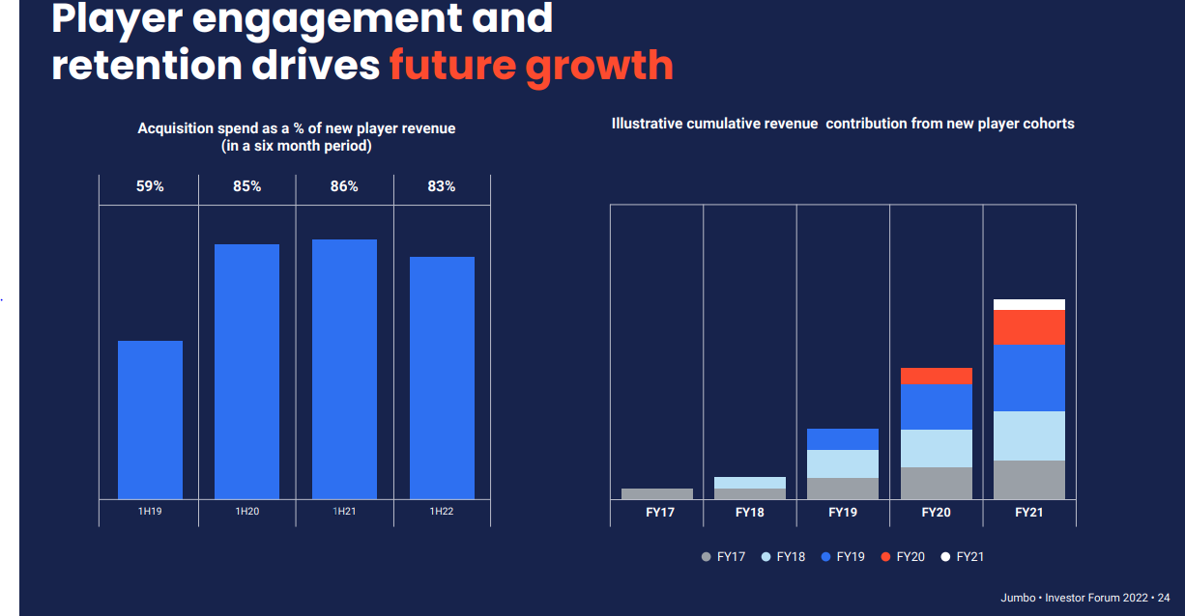
 | FY23A | FY24A
Implied New Player Revenue
Cost Per Lead | $17.86 | $18.87
Payback Period | 6-months | 6-months
Implied Annual Revenue | $35.72 | $37.74

Implied New Player Sales
Gross Margin | 20.33% | 22.69%
Implied Annual TTV | $175.72 | $166.31

Average spend per active online customer | $467.12 | $498.37
New Customer Spend vs. Existing | 37.6% | 33.4%

LW Tenders
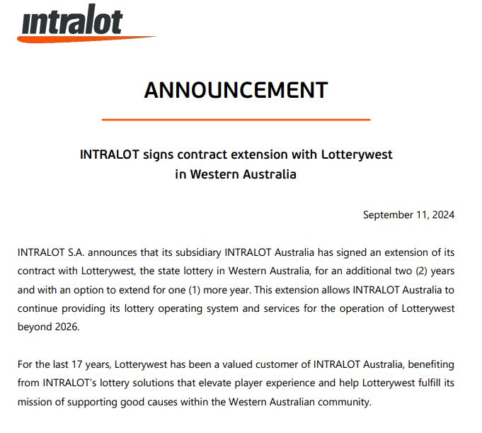
Link | Company | Contract | INTRALOT CONTRACT |  |  |  |  |  | INTRALOT CONTRACT |  |  |  | EXTENTIONS |  |  |  |  | INTRALOT ASIC |  |  |  |  |  |  |  | Intralot WA Expenditure |  |  | Intralot WA Variations
https://www.tenders.wa.gov.au/watenders/contract/view.do?CSRFNONCE=F95FDA2B71B4E372C13B47E7765C69F5&id=106926&returnUrl=%2Fcontract%2Flist.do%3FCSRFNONCE%3DE715B768DFF3011312B0F25FBF7B64B9%26amp%3Bnoreset%3Dyes%26amp%3Baction%3Dcontract-search-submit%26noreset%3Dyes | Jumbo | OzLotteryWest Contract | Variation Period: | 01/04/2008 - 31/03/2009 | No. of Variations: | 1 | Total Variation $: | $43,488 | Initial Value |  | $17,912,481 |  | Announcement Date | Contract Start | Contract End | Option | Comments |  | CY17 | CY18 | CY19 | CY20 | CY21 | CY22 | CY23 |  |  |  |  | 29-Mar-07 | $17,912,481 | $0 |  |  |  |  | Price Variations |  | Original Contract Value | New Variation
https://www.tenders.wa.gov.au/watenders/contract/view.do?CSRFNONCE=A678BE29D470BF61548EA8F7FC80C884&id=11564&returnUrl=%2Fcontract%2Flist.do%3FCSRFNONCE%3D4ADD2C08BF4A8D6763660781D6BBE0A8%26amp%3Bnoreset%3Dyes%26amp%3Baction%3Dcontract-search-submit%26noreset%3Dyes | Intralot | Online/Retail Platform | Variation Period: | 01/04/2008 - 31/03/2009 | No. of Variations: | 1 | Total Variation $: | $48,000 | 01/04/2008 - 31/03/2009 | 12 | 1,138,182 |  |  | Mar-08 | Mar-13 | Options to extend | Total value 18mill over 10 years include options | Ancillary services | 2,580,567 | 2,346,276 | 2,324,193 | 3,985,087 | 2,567,622 | 2,500,302 | 2,734,263 | 09/06/2008 - 08/06/2009 | 2009-06-08 | $3,162,854.0 | 01/04/2008 - 31/03/2009 | Mar-09 | $43,488 | $17,912,481 |  |  | $17,912,481 | Mar-07 |  | 0 | $17,912,481
https://www.tenders.wa.gov.au/watenders/contract/view.do?CSRFNONCE=B4818DF58BBDEE35D4801EB07B2A20A8&id=98283&/watenders | IGT, Pollard, SciGames | Instants | Variation Period: | 01/04/2008 - 31/03/2009 | No. of Variations: | 1 | Total Variation $: | $237,074 | 01/04/2009 - 31/03/2010 | 5 | 1,079,066 |  | 2011-03-15 | 2011-02-07 |  |  | Online capabiliyu | Government supply and service contract |  |  |  |  | 5,669,733 | 8,275,023 | 8,345,385 | 09/06/2009 - 08/06/2010 | 2010-06-08 | $1,213,426.0 | 01/04/2008 - 31/03/2009 | Mar-09 | $48,000 | $17,955,969 | 01/04/2008 - 31/03/2009 | 12 | 1,138,182 | Mar-08 |  | $17,912,481
https://www.tenders.wa.gov.au/watenders/contract/view.do?CSRFNONCE=2BF602681D789D170BAF3FB7E05CE35B&tenderId=12945 | IGT | Instants | Variation Period: | 01/04/2008 - 31/03/2009 | No. of Variations: | 1 | Total Variation $: | $16,940 | 01/04/2010 - 31/03/2011 | 5 | 444,354 |  | 2012-01-16 | 2013 | 2016 |  |  |  |  |  |  |  |  |  |  | 09/06/2010 - 08/06/2011 | 2011-06-08 | $1,929,360.0 | 01/04/2008 - 31/03/2009 | Mar-09 | $237,074 | $18,003,969 | 01/04/2009 - 31/03/2010 | 5 | 1,079,066 | Mar-09 | 1,138,182 | $17,912,481
 |  |  | Variation Period: | 01/04/2008 - 31/03/2009 | No. of Variations: | 1 | Total Variation $: | $100,000 | 01/04/2011 - 31/03/2012 | 8 | 1,521,000 |  | 2014-07-16 | 2016 | 2019 | 2x 1 year options | New mobile platform, System upgrade | Actual Contract CY's | 4,303,885 | 4,513,649 | 3,876,621 | 3,904,873 | 3,312,631 | 2,969,762 | #DIV/0! | 09/06/2011 - 08/06/2012 | 2012-06-08 | $1,923,504.0 | 01/04/2008 - 31/03/2009 | Mar-09 | $16,940 | $18,241,043 | 01/04/2010 - 31/03/2011 | 5 | 444,354 | Mar-10 | 1,079,066 | $19,050,663
https://www.tenders.wa.gov.au/watenders/tender/display/tender-details.do?CSRFNONCE=C0DC15DC50F7EB06FE9B101D666A8478&id=62051&action=display-tender-details&returnUrl=%2Ftender%2Fsearch%2Ftender-search.do%3FCSRFNONCE%3DAF8813F2DBB0ECAABA84C0F3BE3C9D6E%26amp%3Bnoreset%3Dyes%26amp%3Baction%3Ddo-advanced-tender-search | Tender | Gaming System Replacement | Variation Period: | 01/04/2008 - 31/03/2009 | No. of Variations: | 1 | Total Variation $: | $198,312 | 01/04/2014 - 31/03/2015 | 2 | 18,531,278 | 14,331,278 | 2020-12-30 | Jan-22 | Jan-26 |  |  |  |  |  |  |  |  |  |  | 09/06/2012 - 08/06/2013 | 2013-06-08 | $1,424,516.0 | 01/04/2008 - 31/03/2009 | Mar-09 | $100,000 | $18,257,983 | 01/04/2011 - 31/03/2012 | 8 | 1,521,000 | Mar-11 | 444,354 | $20,129,729
https://www.tenders.wa.gov.au/watenders/contract/view.do?CSRFNONCE=364517254412F4E0A5EF4C8E03F0897B&id=126460&returnUrl=%2Fcontract%2Flist.do%3FCSRFNONCE%3D85763653ECB7BA96760CEBC809BDE436%26amp%3Bnoreset%3Dyes%26amp%3Baction%3Dcontract-search-submit%26noreset%3Dyes |  | Gaming System Replacement (GSR) Requirements Validation - Orchestration Resource | Variation Period: | 01/04/2008 - 31/03/2009 | No. of Variations: | 1 | Total Variation $: | $11,000 | 01/04/2015 - 31/03/2016 | 1 | 817,000 |  | 2024-09-11 | 2026 | 2028 | 1x 1 year option |  |  |  |  |  |  |  |  |  | 09/06/2013 - 08/06/2014 | 2014-06-08 | $2,055,372.0 | 01/04/2008 - 31/03/2009 | Mar-09 | $198,312 | $18,357,983 | 01/04/2014 - 31/03/2015 | 2 | 18,531,278 | Mar-12 | 1,521,000 | $20,574,083
 |  |  | Variation Period: | 01/04/2008 - 31/03/2009 | No. of Variations: | 1 | Total Variation $: | $272,000 | 01/04/2019 - 31/03/2020 | 5 | 13,665,678 |  |  |  |  |  |  |  | FY17 | FY18 | FY18 | FY18 | FY18 | FY18 | FY18 | 09/06/2014 - 08/06/2015 | 2015-06-08 | $4,992,834.0 | 01/04/2008 - 31/03/2009 | Mar-09 | $11,000 | $18,556,295 | 01/04/2015 - 31/03/2016 | 1 | 817,000 | Mar-13 |  | $22,095,083
 |  |  | Variation Period: | 01/04/2008 - 31/03/2009 | No. of Variations: | 1 | Total Variation $: | $119,862 | 01/04/2020 - 31/03/2021 | 4 | 13,182,137 | 9,643,172 |  |  |  |  |  | Actual LW Contract | 2,947,536 | 5,660,233 | 3,367,065 | 4,386,177 | 3,423,569 | 3,201,693 | 2,737,830 | 09/06/2015 - 08/06/2016 | 2016-06-08 | $7,484,191.0 | 01/04/2008 - 31/03/2009 | Mar-09 | $272,000 | $18,567,295 | 01/04/2019 - 31/03/2020 | 5 | 13,665,678 | Mar-14 |  | $22,095,083
 |  |  | Variation Period: | 01/04/2008 - 31/03/2009 | No. of Variations: | 1 | Total Variation $: | $43,682 |  |  | $68,291,176 |  |  |  |  |  |  |  |  |  |  |  |  |  |  | 09/06/2016 - 08/06/2017 | 2017-06-08 | $2,947,536.0 | 01/04/2008 - 31/03/2009 | Mar-09 | $119,862 | $18,839,295 | 01/04/2020 - 31/03/2021 | 4 | 13,182,137 | Mar-15 | 18,531,278 | $22,095,083
 |  |  | Variation Period: | 01/04/2008 - 31/03/2009 | No. of Variations: | 1 | Total Variation $: | $32,000 |  |  | $3,793,954.22 |  | https://www.athexgroup.gr/documents/10180/7520581/748_7474_2024_English_2.pdf/ea3d9dc0-5efc-4a14-ad2c-9fe0a8dbe161 |  |  |  |  |  |  |  |  |  |  |  |  | 09/06/2017 - 08/06/2018 | 2018-06-08 | $5,660,233.0 | 01/04/2008 - 31/03/2009 | Mar-09 | $43,682 | $18,959,157 |  |  | $68,291,176 | Mar-16 | 817,000 | $40,626,361
 |  |  | Variation Period: | 01/04/2008 - 31/03/2009 | No. of Variations: | 1 | Total Variation $: | $15,824 |  |  |  |  | https://www.businessnews.com.au/article/Slick-pick-Lotterywest-chooses-an-18m-gaming-system |  |  |  |  |  |  |  |  |  |  |  |  | 09/06/2018 - 08/06/2019 | 2019-06-08 | $3,367,065.0 | 01/04/2008 - 31/03/2009 | Mar-09 | $32,000 | $19,002,839 |  |  | $3,793,954.22 | Mar-17 |  | $41,443,361
 |  |  | Variation Period: | 01/04/2009 - 31/03/2010 | No. of Variations: | 1 | Total Variation $: | $19,500 |  |  |  |  |  |  |  |  |  |  |  |  |  |  |  |  |  | 09/06/2019 - 08/06/2020 | 2020-06-08 | $4,386,177.0 | 01/04/2008 - 31/03/2009 | Mar-09 | $15,824 | $19,034,839 |  |  |  | Mar-18 |  | $41,443,361
 |  |  | Variation Period: | 01/04/2009 - 31/03/2010 | No. of Variations: | 1 | Total Variation $: | $55,000 |  |  |  |  |  |  |  |  |  |  |  |  |  |  |  |  |  | 09/06/2020 - 08/06/2021 | 2021-06-08 | $3,423,569.0 | 01/04/2009 - 31/03/2010 | Mar-10 | $19,500 | $19,050,663 |  |  |  | Mar-19 |  | $41,443,361
 |  |  | Variation Period: | 01/04/2009 - 31/03/2010 | No. of Variations: | 1 | Total Variation $: | $165,000 |  |  |  |  |  |  |  |  |  |  |  |  |  |  |  |  |  | 09/06/2021 - 08/06/2022 | 2022-06-08 | $3,201,693.0 | 01/04/2009 - 31/03/2010 | Mar-10 | $55,000 | $19,070,163 |  |  |  | Mar-20 | 13,665,678 | $41,443,361
 |  |  | Variation Period: | 01/04/2009 - 31/03/2010 | No. of Variations: | 1 | Total Variation $: | $834,000 |  |  |  |  |  |  |  |  |  |  |  |  |  |  |  |  |  | 09/06/2022 - 08/06/2023 | 2023-06-08 | $2,737,830.0 | 01/04/2009 - 31/03/2010 | Mar-10 | $165,000 | $19,125,163 |  |  |  | Mar-21 | 13,182,137 | $55,109,039
 |  |  | Variation Period: | 01/04/2009 - 31/03/2010 | No. of Variations: | 1 | Total Variation $: | $5,566 |  |  |  |  |  |  |  |  |  |  |  |  |  |  |  |  |  | 09/06/2023 - 08/06/2024 | 2024-06-08 | $3,171,592.0 | 01/04/2009 - 31/03/2010 | Mar-10 | $834,000 | $19,290,163 |  |  |  | Mar-22 |  | $68,291,176
 |  |  | Variation Period: | 01/04/2010 - 31/03/2011 | No. of Variations: | 1 | Total Variation $: | $237,075 |  |  |  |  |  |  |  |  |  |  |  |  |  |  |  |  |  |  |  |  | 01/04/2009 - 31/03/2010 | Mar-10 | $5,566 | $20,124,163 |  |  |  | Mar-23 |  | $68,291,176
 |  |  | Variation Period: | 01/04/2010 - 31/03/2011 | No. of Variations: | 1 | Total Variation $: | $103,388 |  |  |  |  |  |  |  |  |  |  |  |  |  |  |  |  |  |  |  |  | 01/04/2010 - 31/03/2011 | Mar-11 | $237,075 | $20,129,729 |  |  |  | Mar-24 |  | $80,000,000 |  | $80,000,000
 |  |  | Variation Period: | 01/04/2010 - 31/03/2011 | No. of Variations: | 1 | Total Variation $: | $73,590 |  |  |  |  |  |  |  |  |  |  |  |  |  |  |  |  |  |  |  |  | 01/04/2010 - 31/03/2011 | Mar-11 | $103,388 | $20,366,804 |  |  |  | Mar-25 |  | $80,000,000
 |  |  | Variation Period: | 01/04/2010 - 31/03/2011 | No. of Variations: | 1 | Total Variation $: | $28,000 |  |  |  |  |  |  |  |  |  |  |  |  |  |  |  |  |  |  |  |  | 01/04/2010 - 31/03/2011 | Mar-11 | $73,590 | $20,470,192 |  |  |  | Mar-26 |  | $80,000,000
 | Original Contract Value |  |  |  | Price Variations |  | New Variation
Mar-07 | 17912481 | Mar-07 | $0 | Mar-07 |  | Mar-07
Mar-08 |  | Mar-08 | $17,912,481 | Mar-08 |  | Mar-08
Mar-09 |  | Mar-09 | $17,912,481 | Mar-09 | 1138182 | Mar-09
Mar-10 |  | Mar-10 | $19,050,663 | Mar-10 | 1079066 | Mar-10
Mar-11 |  | Mar-11 | $20,129,729 | Mar-11 | 444354 | Mar-11
Mar-12 |  | Mar-12 | $20,574,083 | Mar-12 | 1521000 | Mar-12
Mar-13 |  | Mar-13 | $22,095,083 | Mar-13 |  | Mar-13
Mar-14 |  | Mar-14 | $22,095,083 | Mar-14 |  | Mar-14
Mar-15 |  | Mar-15 | $22,095,083 | Mar-15 | 18531278 | Mar-15
Mar-16 |  | Mar-16 | $40,626,361 | Mar-16 | 817000 | Mar-16
Mar-17 |  | Mar-17 | $41,443,361 | Mar-17 |  | Mar-17
Mar-18 |  | Mar-18 | $41,443,361 | Mar-18 |  | Mar-18
Mar-19 |  | Mar-19 | $41,443,361 | Mar-19 |  | Mar-19
Mar-20 |  | Mar-20 | $41,443,361 | Mar-20 | 13665678 | Mar-20
Mar-21 |  | Mar-21 | $55,109,039 | Mar-21 | 13182137 | Mar-21
Mar-22 |  | Mar-22 | $68,291,176 | Mar-22 |  | Mar-22
Mar-23 |  | Mar-23 | $68,291,176 | Mar-23 |  | Mar-23
Mar-24 |  | Mar-24 | $80,000,000 | Mar-24 |  | Mar-24 | 80000000
 |  |  | Variation Period: | 01/04/2010 - 31/03/2011 | No. of Variations: | 1 | Total Variation $: | $2,301 |  |  |  |  |  |  |  |  |  |  |  |  |  |  |  |  |  |  |  |  | 01/04/2010 - 31/03/2011 | Mar-11 | $28,000 | $20,543,782
 |  |  | Variation Period: | 01/04/2011 - 31/03/2012 | No. of Variations: | 1 | Total Variation $: | $110,000 |  |  |  |  |  |  |  |  |  |  |  |  |  |  |  |  |  |  |  |  | 01/04/2010 - 31/03/2011 | Mar-11 | $2,301 | $20,571,782
 |  |  | Variation Period: | 01/04/2011 - 31/03/2012 | No. of Variations: | 1 | Total Variation $: | $32,000 |  |  |  |  |  |  |  |  |  |  |  |  |  |  |  |  |  |  |  |  | 01/04/2011 - 31/03/2012 | Mar-12 | $110,000 | $20,574,083
 |  |  | Variation Period: | 01/04/2011 - 31/03/2012 | No. of Variations: | 1 | Total Variation $: | $56,000 |  |  |  |  |  |  |  |  |  |  |  |  |  |  |  |  |  |  |  |  | 01/04/2011 - 31/03/2012 | Mar-12 | $32,000 | $20,684,083
 |  |  | Variation Period: | 01/04/2011 - 31/03/2012 | No. of Variations: | 1 | Total Variation $: | $72,000 |  |  |  |  |  |  |  |  |  |  |  |  |  |  |  |  |  |  |  |  | 01/04/2011 - 31/03/2012 | Mar-12 | $56,000 | $20,716,083
 |  |  | Variation Period: | 01/04/2011 - 31/03/2012 | No. of Variations: | 1 | Total Variation $: | $0 |  |  |  |  |  |  |  |  |  |  |  |  |  |  |  |  |  |  |  |  | 01/04/2011 - 31/03/2012 | Mar-12 | $72,000 | $20,772,083
 |  |  | Variation Period: | 01/04/2011 - 31/03/2012 | No. of Variations: | 1 | Total Variation $: | $417,000 |  |  |  |  |  |  |  |  |  |  |  |  |  |  |  |  |  |  |  |  | 01/04/2011 - 31/03/2012 | Mar-12 | $0 | $20,844,083
 |  |  | Variation Period: | 01/04/2011 - 31/03/2012 | No. of Variations: | 1 | Total Variation $: | $0 |  |  |  |  |  |  |  |  |  |  |  |  |  |  |  |  |  |  |  |  | 01/04/2011 - 31/03/2012 | Mar-12 | $417,000 | $20,844,083
 |  |  | Variation Period: | 01/04/2011 - 31/03/2012 | No. of Variations: | 1 | Total Variation $: | $834,000 |  |  |  |  |  |  |  |  |  |  |  |  |  |  |  |  |  |  |  |  | 01/04/2011 - 31/03/2012 | Mar-12 | $0 | $21,261,083
 |  |  | Variation Period: | 01/04/2014 - 31/03/2015 | No. of Variations: | 1 | Total Variation $: | $14,331,278 |  |  |  |  |  |  |  |  |  |  |  |  |  |  |  |  |  |  |  |  | 01/04/2011 - 31/03/2012 | Mar-12 | $834,000 | $21,261,083
 |  |  | Variation Period: | 01/04/2014 - 31/03/2015 | No. of Variations: | 1 | Total Variation $: | $4,200,000 |  |  |  |  |  |  |  |  |  |  |  |  |  |  |  |  |  |  |  |  | 01/04/2014 - 31/03/2015 | Mar-15 | $14,331,278 | $22,095,083
 |  |  | Variation Period: | 01/04/2015 - 31/03/2016 | No. of Variations: | 1 | Total Variation $: | $817,000 |  |  |  |  |  |  |  |  |  |  |  |  |  |  |  |  |  |  |  |  | 01/04/2014 - 31/03/2015 | Mar-15 | $4,200,000 | $36,426,361
 |  |  | Variation Period: | 01/04/2019 - 31/03/2020 | No. of Variations: | 1 | Total Variation $: | $1,482,545 |  |  |  |  |  |  |  |  |  |  |  |  |  |  |  |  |  |  |  |  | 01/04/2015 - 31/03/2016 | Mar-16 | $817,000 | $40,626,361
 |  |  | Variation Period: | 01/04/2019 - 31/03/2020 | No. of Variations: | 1 | Total Variation $: | $547,353 |  |  |  |  |  |  |  |  |  |  |  |  |  |  |  |  |  |  |  |  | 01/04/2019 - 31/03/2020 | Mar-20 | $1,482,545 | $41,443,361
 |  |  | Variation Period: | 01/04/2019 - 31/03/2020 | No. of Variations: | 1 | Total Variation $: | $2,000,000 |  |  |  |  |  |  |  |  |  |  |  |  |  |  |  |  |  |  |  |  | 01/04/2019 - 31/03/2020 | Mar-20 | $547,353 | $42,925,906
 |  |  | Variation Period: | 01/04/2019 - 31/03/2020 | No. of Variations: | 1 | Total Variation $: | $5,385,942 |  |  |  |  |  |  |  |  |  |  |  |  |  |  |  |  |  |  |  |  | 01/04/2019 - 31/03/2020 | Mar-20 | $2,000,000 | $43,473,259
 |  |  | Variation Period: | 01/04/2019 - 31/03/2020 | No. of Variations: | 1 | Total Variation $: | $4,249,838 |  |  |  |  |  |  |  |  |  |  |  |  |  |  |  |  |  |  |  |  | 01/04/2019 - 31/03/2020 | Mar-20 | $5,385,942 | $45,473,259
 |  |  | Variation Period: | 01/04/2020 - 31/03/2021 | No. of Variations: | 1 | Total Variation $: | $9,643,172 |  |  |  |  |  |  |  |  |  |  |  |  |  |  |  |  |  |  |  |  | 01/04/2019 - 31/03/2020 | Mar-20 | $4,249,838 | $50,859,201
 |  |  | Variation Period: | 01/04/2020 - 31/03/2021 | No. of Variations: | 1 | Total Variation $: | $2,996,352 |  |  |  |  |  |  |  |  |  |  |  |  |  |  |  |  |  |  |  |  | 01/04/2020 - 31/03/2021 | Mar-21 | $9,643,172 | $55,109,039
 |  |  | Variation Period: | 01/04/2020 - 31/03/2021 | No. of Variations: | 1 | Total Variation $: | $540,000 |  |  |  |  |  |  |  |  |  |  |  |  |  |  |  |  |  |  |  |  | 01/04/2020 - 31/03/2021 | Mar-21 | $2,996,352 | $64,752,211
 |  |  | Variation Period: | 01/04/2020 - 31/03/2021 | No. of Variations: | 1 | Total Variation $: | $2,613 |  |  |  |  |  |  |  |  |  |  |  |  |  |  |  |  |  |  |  |  | 01/04/2020 - 31/03/2021 | Mar-21 | $540,000 | $67,748,563
 |  |  |  |  |  |  |  |  |  |  |  |  |  |  |  |  |  |  |  |  |  |  |  |  |  |  |  |  | 01/04/2020 - 31/03/2021 | Mar-21 | $2,613 | $68,288,563
 |  |  | Expenditure Period: | 09/06/2008 - 08/06/2009 |  |  | Expenditure $: | $3,162,854
 |  |  | Expenditure Period: | 09/06/2009 - 08/06/2010 |  |  | Expenditure $: | $1,213,426
 |  |  | Expenditure Period: | 09/06/2010 - 08/06/2011 |  |  | Expenditure $: | $1,929,360
 |  |  | Expenditure Period: | 09/06/2011 - 08/06/2012 |  |  | Expenditure $: | $1,923,504
 |  |  | Expenditure Period: | 09/06/2012 - 08/06/2013 |  |  | Expenditure $: | $1,424,516
 |  |  | Expenditure Period: | 09/06/2013 - 08/06/2014 |  |  | Expenditure $: | $2,055,372
 |  |  | Expenditure Period: | 09/06/2014 - 08/06/2015 |  |  | Expenditure $: | $4,992,834
 |  |  | Expenditure Period: | 09/06/2015 - 08/06/2016 |  |  | Expenditure $: | $7,484,191
 |  |  | Expenditure Period: | 09/06/2016 - 08/06/2017 |  |  | Expenditure $: | $2,947,536
 |  |  | Expenditure Period: | 09/06/2017 - 08/06/2018 |  |  | Expenditure $: | $5,660,233
 |  |  | Expenditure Period: | 09/06/2018 - 08/06/2019 |  |  | Expenditure $: | $3,367,065
 |  |  | Expenditure Period: | 09/06/2019 - 08/06/2020 |  |  | Expenditure $: | $4,386,177
 |  |  | Expenditure Period: | 09/06/2020 - 08/06/2021 |  |  | Expenditure $: | $3,423,569
 |  |  | Expenditure Period: | 09/06/2021 - 08/06/2022 |  |  | Expenditure $: | $3,201,693
 |  |  | Expenditure Period: | 09/06/2022 - 08/06/2023 |  |  | Expenditure $: | $2,737,830
 |  |  | Expenditure Period: | 09/06/2023 - 08/06/2024 |  |  | Expenditure $: | $3,171,592

Competitors
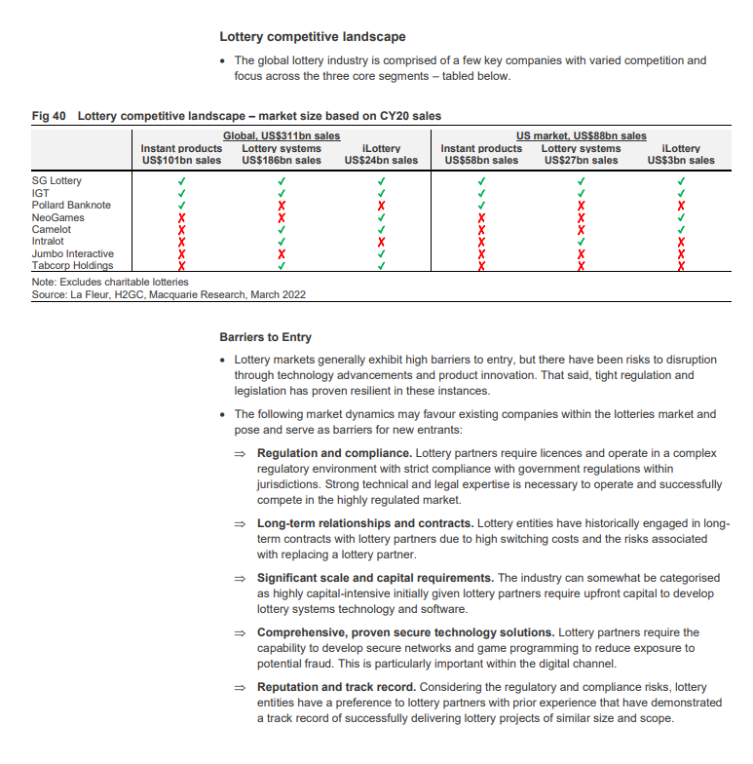

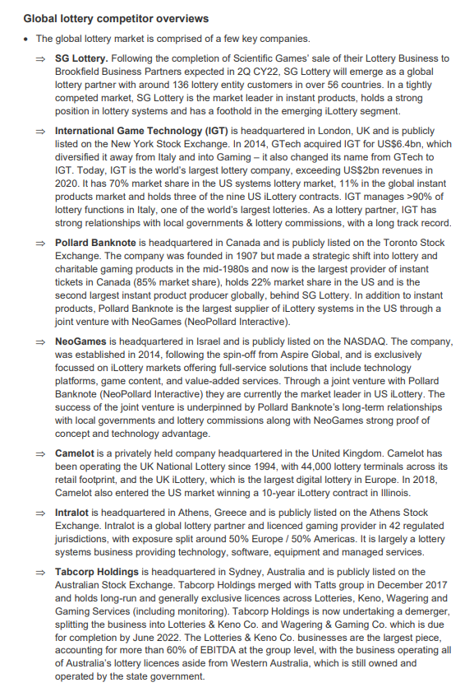

Daily Giveaways
 |  | FY19 | FY20 | FY21 | FY22 | FY23 | FY24 | FY25
TTV | A$m | 6 | 20 | 49 | 39 | 47 | 83 | 118
Active Customers | 000's | 20 | 74 | 147 | 129 | 197 | 391 | 645
 |  | $300.0 | $270.3 | $333.3 | $302.3 | $238.6 | $212.3 | $182.9

Growth
TTV | A$m |  | 233.3% | 145.0% | -20.4% | 20.5% | 76.6% | 42.2%
Active Customers | 000's |  | 270.0% | 98.6% | -12.2% | 52.7% | 98.5% | 65.0%
SPP |  |  | -9.9% | 23.3% | -9.3% | -21.1% | -11.0% | -13.8%

 |  |  | Omaze

Sheet1
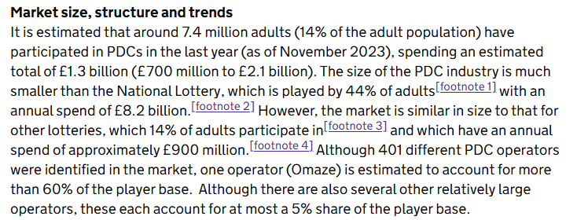
Operator | Market share | 2.3.4 Participation in other gambling
Omaze | 61.4% | The consumer survey suggests that players of PDCs are also heavily involved in other commercial gambling activities as well as lotteries. The table below presents the proportion of players of PDCs who have participated in various different kinds of gambling in the last month and the last 12 months. The final column of the table also compares this to the general population.
#2 | 4.7% | Table 16: Participation in other gambling
#3 | 4.4% | Type of gambling | Players of PDCs (last month) | Players of PDCs (last 12 months) | General population – November 2022 (last 12 months)
#4 | 4.3% | Tickets for the National Lottery Draw, including Thunderball, EuroMillions and tickets bought online | 51% | 59% | 44% | National Lottery Draw | 59%
#5 | 4.3% | Tickets for any other lottery, including charity lotteries | 24% | 35% | 14% | Scratch Cards | 25%
#6 | 4.2% | Scratch cards | 16% | 25% | 17% | Charity Lotteries | 35%
#7 | 3.7% | Gaming machines in a bookmakers | 3% | 4% | 1% | Land Based Casinos | 3%
#8 | 3.7% | Fruit or slot machines | 3% | 8% | 3% | Online Casino Games | 10%
#9 | 3.6% | Bingo (including online) | 4% | 9% | 4% | Betting on Racing | 13%
#10 | 3.4% | Gambling in a casino (any type) | 1% | 3% | 2% | Betting on Football | 13%
#11 | 2.4% | Online casino games (slot machine style, roulette, instant wins) | 6% | 10% | 4%[footnote 28] | No Other Gambling | 12%
 |  | Online poker | 3% | 3% | -
 |  | Betting on horse or dog races – online | 7% | 13% | 6%
38.7% |  | Betting on horse or dog races – in person | 3% | 8% | 1%
 |  | Betting on football – online | 11% | 13% | 8%
 |  | Betting on football – in person | 3% | 5% | 1%
 |  | Betting on other sports – online | 6% | 12% | 4%
 |  | Loot boxes | 2% | 3% | 1%
 |  | Any other type of gambling (not prize draws and competitions) | 3% | 6% | 1%
 |  | None of the above | 18% | 12% | 39%

Sheet2
 | It is estimated that around 7.4 million adults (14% of the adult population) have participated in PDCs in the last year (as of November 2023), spending an estimated total of £1.3 billion (£700 million to £2.1 billion).
 |  |  |  |  |  |  | Low Estimate | Base Estimate | High Estimate
 |  |  | 70 |  |  | National Lottery | 8200 | 8200 | 8200
Prize Draws Low | 700 | 14% | 9.80 | $71.4 | $142.86 | Society Lotteries | 900 | 900 | 900
Prize Draws Base | 1300 | 14% | 9.80 | $132.7 | $265.31 | Prize Draws | 700 | 1300 | 2100
Prize Draws High | 2100 | 14% | 9.80 | $214.3 | $428.57 |  | 9800 | 10400 | 11200

Society Lotteries | 900 | 14% | 9.80 | $91.8 | $183.67 |  | 7.1% | 12.5% | 18.8%
National Lottery | 8200 | 44% | 30.80 | $266.2 | $532.47

 | £919.1 million, of which £253.3 million was returned as prizes and contribution to good causes totalled £417.1 million.
 | During April 2021 to March 2022, according to the Gambling Commission, National Lottery ticket sales totalled £8.1 billion. £4.6 billion was returned as prizes and the primary contribution to good causes totalled £1.7 billion. In the same period, ticket sales to large society lotteries totalled £919.1 million, of which £253.3 million was returned as prizes and contribution to good causes totalled £417.1 million.

Prize Draws Low | $142.86
Prize Draws Base | $265.31
Prize Draws High | $428.57
Society Lotteries | $183.67
National Lottery | $532.47

UKGC Lotteries
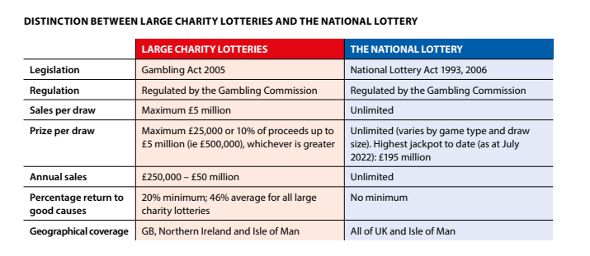
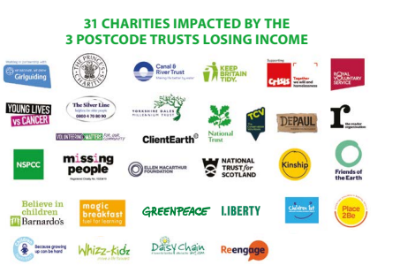
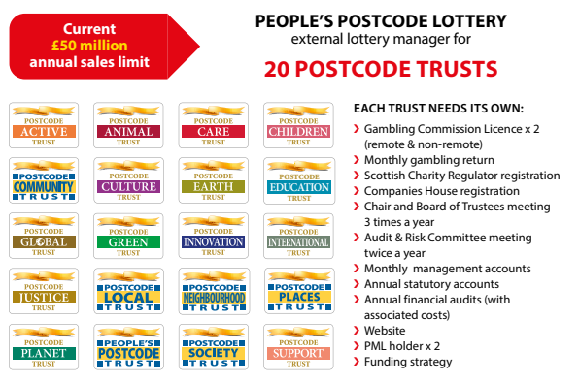
 | https://www.postcodelottery.info/media/2176/limitless-potential-the-case-for-raising-the-cap-on-charity-lottery-fundraising.pdf
 | https://www.postcodelotterygroup.com/f/226002/d9e751f4c8/regulus_partners_charity_lotteries_and_the_european_lottery_sector_impact_analysis.pdf
 | https://www.gamblingcommission.gov.uk/statistics-and-research/publication/industry-statistics-february-2024-correction
 | https://commonslibrary.parliament.uk/research-briefings/cdp-2023-0148/
 | https://www.gov.uk/government/publications/review-of-society-lottery-sales-and-prize-limits/one-year-review-of-society-lotteries-sales-and-prize-limits
 | https://commonslibrary.parliament.uk/research-briefings/cdp-2023-0148/
 | https://assets.ctfassets.net/j16ev64qyf6l/2yUkejkARiqKzcQKrTgFNL/b7cc5d2e8572a47520d20f34ff683114/External-lottery-managers-advice.pdf
 | https://lotteriescouncil.org.uk/wp-content/uploads/2024/06/Lotteries-Council-2024-Election-Manifesto.pdf
 | https://data.parliament.uk/DepositedPapers/Files/DEP2019-0913/Camelot_response_DCMS_consultation_on_society_lottery_reform.pdf
 | https://committees.parliament.uk/writtenevidence/627/html/
 | https://ramparts.gi/the-gambling-white-paper-illegal-lotteries-prize-competitions-and-free-draws/

 |  |  |  |  |  |  |  |  |  | External Lottery Manager Sales % |  |  |  |  |  |  |  |  |  |  |  | Digital Penetration

ANNUAL - SOCIETY LOTTERIES

 | 9 | Lotteries (non-remote and remote) |  |  |  |  |  |  |  |  |  |  |  |  |  |  |  |  |  |  |  |  |  |  |  |  |  |  |  |  | https://find-and-update.company-information.service.gov.uk/company/04862732/filing-history |  |  |  |  |  |  |  |  |  |  | 11 | The National Lottery (non-remote and remote)
 |  |  |  |  |  |  |  |  |  |  |  |  |  |  |  |  |  |  |  |  |  |  |  |  |  |  |  |  |  |  |  | Dec-23 |  |  |  |  |  |  | Dec-23 | Dec-23
 |  | Sales (£m) |  |  |  | Distribution of Sales (£m) |  |  | Contribution by External Lottery Managers |  |  |  |  |  |  |  |  |  |  | Charity Growth |  | Proportions |  |  | ELM's ex PP |  |  | PP Currency |  |  | Market Size |  |  | Market Share |  |  | FY23 Market Share |  |  |  |  |  | Sales (£m) |  |  |  | Distribution of Sales (£m)
 | Reporting Period | Total | % Change | Non-remote | Remote | Contributions (to good causes) | Expenses | Prizes | Sales raised by ELMs (£m) | % total sales raised by ELMs |  |  |  | Prizes | Contribution to Good Causes | Expenses / Retention by Lottery | Total Lottery |  | Labels | Label | Charity Growth | Online Proportion | Online Proportion Increase | Society Lottery / National Lottery | Total ex PP | ELM ex PP | ELM % ex PP | GBP-EUR - CY's | GBP-AUD - CY's | Peoples Postcode Euros | Managed Internally | Peoples Postcode | Other ELM's | Managed Internally | Peoples Postcode | Other ELM's | Managed Internally | Peoples Postcode | Starvale - (JIN) | GatherWell (JIN) | Other External Managers | Reporting Period | Total | % Change | Retail (Non-remote) | Non-Retail (Remote) | Prizes capable of being won by players (including unclaimed prizes) | Primary Contribution (to good causes) | Lottery Duty | Retailers' commission | Retention by Licensee |  |  |  | Prizes | Contribution to Good Causes | Lottery Tax | Retailer Commission | Retention by Licensee
Mar-09 | Apr 2008 - Mar 2009 | 178.68 |  | 169.19 | 9.49 | 94.87 | 49.54 | 34.27 | 36.46 | 20.4% | 144.41 | 136.74 | 7.67 | 19.2% | 53.1% | 27.7% | 5,327.8 | 3.4% | 0.0% | 1% |  | 5.3% |  | 3.4% |  |  |  | 1.26 |  |  |  |  |  |  |  |  |  |  |  |  |  | Apr 2008 - Mar 2009 | 5,149.10 |  | - | - | 2,627.60 | 1,299.30 | 617.90 | 247.70 | 356.60 | 2,521.50 | 0.00 | 0.00 | 51.0% | 25.2% | 12.0% | 4.8% | 6.9% | #VALUE!
Mar-10 | Apr 2009 - Mar 2010 | 194.91 | 9% | 180.32 | 14.58 | 100.13 | 57.89 | 36.89 | 56.10 | 28.8% | 158.02 | 146.20 | 11.82 | 18.9% | 51.4% | 29.7% | 5,671.4 | 3.4% | 0.0% | 1% | 9.1% | 7.5% | 2.2% | 3.4% |  |  |  | 1.12 |  |  |  |  |  |  |  |  |  |  |  |  |  | Apr 2009 - Mar 2010 | 5,476.50 | 6% | 4,781.90 | 694.60 | 2,797.30 | 1,468.50 | 657.20 | 257.40 | 296.10 | 2,679.20 | 2,339.39 | 339.81 | 51.1% | 26.8% | 12.0% | 4.7% | 5.4% | 6.4%
Mar-11 | Apr 2010 - Mar 2011 | 208.16 | 7% | 192.15 | 16.01 | 102.90 | 66.52 | 38.73 | 89.55 | 43.0% | 169.43 | 156.40 | 13.03 | 18.6% | 49.4% | 32.0% | 6,032.9 | 3.5% | 0.0% | 1% | 6.8% | 7.7% | 0.2% | 3.5% |  |  |  | 1.17 |  |  |  |  |  |  |  |  |  |  |  |  |  | Apr 2010 - Mar 2011 | 5,824.70 | 6% | 5,002.00 | 822.70 | 2,984.50 | 1,558.10 | 699.30 | 270.00 | 312.80 | 2,840.20 | 2,439.04 | 401.16 | 51.2% | 26.7% | 12.0% | 4.6% | 5.4% | 6.4%
Mar-12 | Apr 2011 - Mar 2012 | 300.96 | 45% | 276.17 | 24.79 | 127.39 | 101.23 | 72.34 | 184.95 | 61.5% | 228.61 | 209.79 | 18.83 | 24.0% | 42.3% | 33.6% | 6,804.3 | 4.4% | 0.0% | 1% | 44.6% | 8.2% | 0.5% | 4.4% |  |  |  | 1.15 |  |  |  |  |  |  |  |  |  |  |  |  |  | Apr 2011 - Mar 2012 | 6,503.30 | 12% | 5,471.10 | 1,032.20 | 3,379.40 | 1,705.30 | 780.50 | 296.30 | 341.80 | 3,123.90 | 2,628.08 | 495.82 | 52.0% | 26.2% | 12.0% | 4.6% | 5.3% | 11.7%
Mar-13 | Apr 2012 - Mar 2013 | 345.56 | 15% | 305.19 | 40.36 | 142.75 | 130.25 | 72.55 | 222.83 | 64.5% | 273.00 | 241.12 | 31.89 | 21.0% | 41.3% | 37.7% | 7,322.7 | 4.7% | 0.0% | 1% | 14.8% | 11.7% | 3.4% | 4.7% | 315.13 | 192.40 | 61.1% | 1.23 |  |  | 122.73 | 30.429994 | 192.398325 | 35.5% | 8.8% | 55.7% |  |  |  |  |  | Apr 2012 - Mar 2013 | 6,977.10 | 7% | 5,792.50 | 1,184.60 | 3,697.60 | 1,762.10 | 837.20 | 315.60 | 364.60 | 3,279.50 | 2,722.69 | 556.81 | 53.0% | 25.3% | 12.0% | 4.5% | 5.2% | 7.3%
Mar-14 | Apr 2013 - Mar 2014 | 376.82 | 9% | 289.80 | 87.02 | 162.25 | 131.54 | 83.03 | 263.11 | 69.8% | 293.79 | 225.94 | 67.85 | 22.0% | 43.1% | 34.9% | 7,113.1 | 5.3% | 0.0% | 1% | 9.0% | 23.1% | 11.4% | 5.3% | 330.08 | 216.37 | 65.6% | 1.18 |  |  | 113.71 | 46.742566 | 216.370871 | 30.2% | 12.4% | 57.4% |  |  |  |  |  | Apr 2013 - Mar 2014 | 6,736.30 | -3% | 5,559.00 | 1,177.30 | 3,636.50 | 1,574.80 | 808.40 | 304.60 | 412.00 | 3,099.80 | 2,558.05 | 541.75 | 54.0% | 23.4% | 12.0% | 4.5% | 6.1% | -3.5%
Mar-15 | Apr 2014 - Mar 2015 | 446.13 | 18% | 302.70 | 143.43 | 190.63 | 159.10 | 96.39 | 306.63 | 68.7% | 349.74 | 237.30 | 112.44 | 21.6% | 42.7% | 35.7% | 7,721.3 | 5.8% | 0.0% | 1% | 18.4% | 32.1% | 9.1% | 5.8% | 358.94 | 219.44 | 61.1% | 1.24 |  | 108.20 | 139.50 | 87.191000 | 219.436583 | 31.3% | 19.5% | 49.2% |  |  |  |  |  | Apr 2014 - Mar 2015 | 7,275.20 | 8% | 5,937.30 | 1,337.90 | 4,043.10 | 1,668.70 | 873.00 | 328.20 | 362.20 | 3,232.10 | 2,637.72 | 594.38 | 55.6% | 22.9% | 12.0% | 4.5% | 5.0% | 8.0%
Mar-16 | Apr 2015 - Mar 2016 | 493.34 | 11% | 289.30 | 204.04 | 212.16 | 167.61 | 113.57 | 379.55 | 76.9% | 379.77 | 222.70 | 157.07 | 23.0% | 43.0% | 34.0% | 8,109.0 | 6.1% | 0.0% | 1% | 10.6% | 41.4% | 9.2% | 6.1% | 344.88 | 231.10 | 67.0% | 1.38 |  | 204.49 | 113.79 | 148.455000 | 231.095226 | 23.1% | 30.1% | 46.8% |  |  |  |  |  | Apr 2015 - Mar 2016 | 7,615.70 | 5% | 6,020.40 | 1,595.30 | 4,198.90 | 1,788.30 | 913.90 | 330.20 | 384.40 | 3,416.80 | 2,701.07 | 715.73 | 55.1% | 23.5% | 12.0% | 4.3% | 5.0% | 4.7%
Mar-17 | Apr 2016 - Mar 2017 | 587.81 | 19% | 283.79 | 304.02 | 255.95 | 186.48 | 145.38 | 459.62 | 78.2% | 442.43 | 213.60 | 228.83 | 24.7% | 43.5% | 31.7% | 7,509.6 | 7.8% | 0.0% | 1% | 19.1% | 51.7% | 10.4% | 7.8% | 357.92 | 229.73 | 64.2% | 1.22 |  | 281.40 | 128.19 | 229.884380 | 229.734274 | 21.8% | 39.1% | 39.1% |  |  |  |  |  | Apr 2016 - Mar 2017 | 6,921.80 | -9% | 5,402.70 | 1,519.10 | 3,943.20 | 1,486.90 | 830.60 | 296.30 | 364.80 | 2,978.60 | 2,324.90 | 653.70 | 57.0% | 21.5% | 12.0% | 4.3% | 5.3% | -9.1%
Mar-18 | Apr 2017 - Mar 2018 | 675.25 | 15% | 308.59 | 366.66 | 296.12 | 206.17 | 172.96 | 533.23 | 79.0% | 502.29 | 229.55 | 272.74 | 25.6% | 43.9% | 30.5% | 7,611.4 | 8.9% | 0.0% | 1% | 14.9% | 54.3% | 2.6% | 8.9% | 369.36 | 227.34 | 61.5% | 1.14 | 0.60 | 349.22 | 142.02 | 305.884960 | 227.341251 | 21.0% | 45.3% | 33.7% |  |  |  |  |  | Apr 2017 - Mar 2018 | 6,936.20 | 0% | 5,290.00 | 1,646.20 | 3,928.40 | 1,508.60 | 832.30 | 290.40 | 376.50 | 3,007.80 | 2,293.95 | 713.85 | 56.6% | 21.7% | 12.0% | 4.2% | 5.4% | 0.2%
Mar-19 | Apr 2018 - Mar 2019 | 734.86 | 9% | 288.07 | 446.79 | 331.83 | 208.76 | 194.27 | 601.48 | 81.8% | 540.59 | 211.92 | 328.67 | 26.4% | 45.2% | 28.4% | 7,942.7 | 9.3% | 0.0% | 1% | 8.8% | 60.8% | 6.5% | 9.3% | 369.54 | 236.15 | 63.9% | 1.13 | 0.56 | 412.95 | 133.38 | 365.327920 | 236.154980 | 18.2% | 49.7% | 32.1% |  |  |  |  |  | Apr 2018 - Mar 2019 | 7,207.80 | 4% | 5,374.40 | 1,833.40 | 4,128.50 | 1,486.70 | 864.90 | 300.40 | 427.30 | 3,079.30 | 2,296.04 | 783.26 | 57.3% | 20.6% | 12.0% | 4.2% | 5.9% | 3.9%
Mar-20 | Apr 2019 - Mar 2020 | 831.97 | 13% | 299.49 | 532.48 | 367.91 | 244.82 | 219.24 | 675.56 | 81.2% | 612.73 | 220.57 | 392.16 | 26.4% | 44.2% | 29.4% | 8,736.2 | 9.5% | 0.0% | 1% | 13.2% | 64.0% | 3.2% | 9.5% | 398.97 | 242.57 | 60.8% | 1.14 | 0.54 | 493.88 | 156.41 | 432.997940 | 242.565135 | 18.8% | 52.0% | 29.2% |  |  |  |  |  | Apr 2019 - Mar 2020 | 7,904.23 | 10% | 5,448.60 | 2,455.62 | 4,505.02 | 1,659.08 | 948.51 | 307.10 | 484.53 | 3,399.21 | 2,343.17 | 1,056.04 | 57.0% | 21.0% | 12.0% | 3.9% | 6.1% | 9.7%
Mar-21 | Apr 2020 - Mar 2021 | 871.76 | 5% | 285.59 | 586.17 | 401.92 | 233.08 | 236.76 | 730.67 | 83.8% | 635.01 | 208.03 | 426.98 | 27.2% | 46.1% | 26.7% | 9,258.2 | 9.4% | 0.0% | 1% | 4.8% | 67.2% | 3.2% | 9.4% | 384.38 | 243.29 | 63.3% | 1.13 | 0.54 | 548.36 | 141.10 | 487.381000 | 243.285097 | 16.2% | 55.9% | 27.9% |  |  |  |  |  | Apr 2020 - Mar 2021 | 8,386.39 | 6% | 4,869.36 | 3,517.02 | 4,854.74 | 1,724.86 | 1,006.37 | 275.89 | 524.53 | 3,531.65 | 2,050.57 | 1,481.08 | 57.9% | 20.6% | 12.0% | 3.3% | 6.3% | 6.1%
Mar-22 | Apr 2021 - Mar 2022 | 917.92 | 5% | 295.85 | 622.07 | 417.08 | 248.23 | 252.61 | 771.55 | 84.1% | 665.31 | 214.43 | 450.88 | 27.5% | 45.4% | 27.0% | 9,013.4 | 10.2% | 0.0% | 1% | 5.3% | 67.8% | 0.5% | 10.2% | 364.07 | 217.71 | 59.8% | 1.16 | 0.55 | 644.33 | 146.36 | 553.846150 | 217.708390 | 15.9% | 60.3% | 23.7% |  |  |  |  |  | Apr 2021 - Mar 2022 | 8,095.51 | -3% | 4,676.61 | 3,418.91 | 4,612.28 | 1,715.43 | 971.46 | 265.38 | 530.97 | 3,483.24 | 2,012.19 | 1,471.04 | 57.0% | 21.2% | 12.0% | 3.3% | 6.6% | -3.5%
Mar-23 | Apr 2022 - Mar 2023R | 944.14 | 3% | 303.23 | 640.91 | 421.86 | 260.80 | 261.48 | 814.39 | 86.3% | 682.66 | 219.25 | 463.41 | 27.7% | 44.7% | 27.6% | 9,128.3 | 10.3% | 0.0% | 1% | 2.9% | 67.9% | 0.1% | 10.3% | 389.15 | 259.40 | 66.7% | 1.17 | 0.56 | 651.15 | 129.75 | 554.989170 | 259.397837 | 13.7% | 58.8% | 27.5% | 129.75 | 554.99 | 67.51 | 11.87 | 180.02 | Apr 2022 - Mar 2023 | 8,184.15 | 1% | 4,498.51 | 3,685.64 | 4,694.03 | 1,708.95 | 982.10 | 254.72 | 544.35 | 3,490.12 | 1,918.38 | 1,571.73 | 57.4% | 20.9% | 12.0% | 3.1% | 6.7% | 1.1%
Mar-24 | Apr 2023 - Mar 2024R | 1,058.05 | 12% | 308.18 | 749.87 | 462.60 | 292.99 | 302.46 | 903.14 | 85.4% | 755.59 | 220.08 | 535.51 | 28.6% | 43.7% | 27.7% | 8,862.5 | 11.9% | 0.0% | 1% | 12.1% | 70.9% | 3.0% | 11.9% | 425.28 | 270.38 | 63.6% |  | 0.53 |  | 154.91 | 632.763366 | 270.377150 | 14.6% | 59.8% | 25.6% | 154.91 |  |  |  |  | Apr 2023 - Mar 2024 | 7,804.46 | -5% | 4,244.41 | 3,560.06 | 4,474.11 | 1,571.82 | 936.54 | 240.68 | 581.33 | 3,330.36 | 1,811.19 | 1,519.16 | 57.3% | 20.1% | 12.0% | 3.1% | 7.4% | -4.6%
Mar-25 | Apr 2024 - Mar 2025P | 1,108.25 | 5% | 314.92 | 793.33 | 484.62 | 307.34 | 316.30 | 961.81 | 86.8% | 791.95 | 225.04 | 566.91 | 28.5% | 43.7% | 27.7% | 8,973.2 | 12.4% | 0.0% | 1% | 4.7% | 71.6% | 0.7% | 12.4% | 475.49 | 329.04 | 69.2% |  | 0.53 |  | 146.45 | 632.763366 | 329.041646 | 13.2% | 57.1% | 29.7% | 146.45 |  |  |  |  | Apr 2024 - Mar 2025 | 7,864.94 | 1% | 4,019.43 | 3,845.51 | 4,494.53 | 1,642.86 | 943.79 | 226.70 | 557.06 | 3,370.41 | 1,722.47 | 1,647.94 | 57.1% | 20.9% | 12.0% | 2.9% | 7.1% | 0.8%
 |  |  |  |  |  |  |  |  |  |  |  |  |  | Prizes | Contribution to Good Causes (voluntary) | Expenses / Retention by PDC's (pre tax)
 |  |  |  |  |  |  |  |  |  |  |  |  |  | 48% | 10% | 42%
QUARTERLY

 | 9 | Lotteries (non-remote and remote) |  |  |  |  |  |  |  |  |  |  |  |  |  |  |  |  |  |  |  |  |  |  |  |  |  |  |  |  |  |  |  |  |  |  |  |  |  |  |  | 11 | The National Lottery (non-remote and remote)

 |  | Sales (£m) |  |  |  | Distribution of Sales (£m) |  |  | Contribution by External Lottery Managers |  |  |  |  |  |  |  |  |  |  |  |  |  |  |  |  |  |  |  |  |  |  |  |  |  |  |  |  |  |  |  |  |  | Sales (£m) |  |  |  | Distribution of Sales (£m)
 | Reporting Period | Total | % Change | Non-remote | Remote | Contributions (to good causes) | Expenses | Prizes | Sales raised by ELMs (£m) | % total sales raised by ELMs |  |  |  |  |  |  |  |  |  |  |  |  |  |  |  |  |  |  |  |  |  |  |  |  |  |  |  |  |  |  |  | Reporting Period | Total | % Change | Retail (Non-remote) | Non-Retail (Remote) | Prizes capable of being won by players (including unclaimed prizes) | Primary Contribution (to good causes) | Lottery Duty | Retailers' commission | Retention by Licensee
 | Apr - Jun 2019 | 199.00 |  | 72.19 | 126.81 | 88.27 | 58.54 | 52.19 | n/a | n/a |  |  |  |  |  |  |  |  |  |  |  |  |  |  |  |  |  |  |  |  |  |  |  |  |  |  |  |  |  |  |  | Apr - Jun 2019 | 1,849.33 |  | 1,331.50 | 517.82 | 1,073.31 | 377.88 | 221.92 | 75.61 | 100.60
 | Jul - Sep 2019 | 206.35 |  | 74.41 | 131.93 | 90.11 | 62.26 | 53.98 | n/a | n/a |  |  |  |  |  |  |  |  |  |  |  |  |  |  |  |  |  |  |  |  |  |  |  |  |  |  |  |  |  |  |  | Jul - Sep 2019 | 2,066.32 |  | 1,424.04 | 642.28 | 1,165.14 | 441.13 | 247.96 | 80.06 | 132.04
 | Oct - Dec 2019 | 214.21 |  | 79.53 | 134.68 | 95.36 | 62.55 | 56.30 | n/a | n/a |  |  |  |  |  |  |  |  |  |  |  |  |  |  |  |  |  |  |  |  |  |  |  |  |  |  |  |  |  |  |  | Oct - Dec 2019 | 2,050.94 |  | 1,385.07 | 665.88 | 1,156.55 | 448.01 | 246.11 | 77.88 | 122.39
 | Jan - Mar 2020 | 212.41 |  | 73.36 | 139.05 | 94.18 | 61.47 | 56.77 | n/a | n/a |  |  |  |  |  |  |  |  |  |  |  |  |  |  |  |  |  |  |  |  |  |  |  |  |  |  |  |  |  |  |  | Jan - Mar 2020 | 1,937.63 |  | 1,307.99 | 629.64 | 1,110.02 | 392.06 | 232.52 | 73.55 | 129.50
 | Apr - Jun 2020 | 211.29 |  | 69.61 | 141.67 | 97.75 | 56.40 | 57.13 | n/a | n/a |  |  |  |  |  |  |  |  |  |  |  |  |  |  |  |  |  |  |  |  |  |  |  |  |  |  |  |  |  |  |  | Apr - Jun 2020 | 1,827.14 |  | 1,037.38 | 789.76 | 1,076.23 | 367.07 | 219.26 | 58.62 | 105.96
 | Jul - Sep 2020 | 215.11 |  | 69.72 | 145.39 | 99.16 | 57.32 | 58.63 | n/a | n/a |  |  |  |  |  |  |  |  |  |  |  |  |  |  |  |  |  |  |  |  |  |  |  |  |  |  |  |  |  |  |  | Jul - Sep 2020 | 2,023.22 |  | 1,196.39 | 826.83 | 1,167.72 | 408.06 | 242.79 | 67.81 | 136.83
 | Oct - Dec 2020 | 220.11 |  | 75.92 | 144.19 | 101.21 | 59.88 | 59.02 | n/a | n/a |  |  |  |  |  |  |  |  |  |  |  |  |  |  |  |  |  |  |  |  |  |  |  |  |  |  |  |  |  |  |  | Oct - Dec 2020 | 2,116.03 |  | 1,247.58 | 868.45 | 1,223.65 | 434.40 | 253.92 | 70.98 | 133.08
 | Jan - Mar 2021 | 225.25 |  | 70.34 | 154.92 | 103.80 | 59.48 | 61.97 | n/a | n/a |  |  |  |  |  |  |  |  |  |  |  |  |  |  |  |  |  |  |  |  |  |  |  |  |  |  |  |  |  |  |  | Jan - Mar 2021 | 2,420.00 |  | 1,388.02 | 1,031.97 | 1,387.14 | 515.32 | 290.40 | 78.48 | 148.66
 | Apr - Jun 2021 | 228.03 |  | 72.78 | 155.25 | 103.61 | 61.90 | 62.52 | n/a | n/a |  |  |  |  |  |  |  |  |  |  |  |  |  |  |  |  |  |  |  |  |  |  |  |  |  |  |  |  |  |  |  | Apr - Jun 2021 | 1,989.75 |  | 1,184.81 | 804.94 | 1,157.25 | 410.18 | 238.77 | 67.66 | 115.90
 | Jul - Sep 2021 | 226.69 |  | 72.45 | 154.24 | 103.10 | 60.72 | 62.86 | n/a | n/a |  |  |  |  |  |  |  |  |  |  |  |  |  |  |  |  |  |  |  |  |  |  |  |  |  |  |  |  |  |  |  | Jul - Sep 2021 | 1,954.74 |  | 1,146.69 | 808.05 | 1,117.26 | 398.04 | 234.57 | 65.16 | 139.72
 | Oct - Dec 2021 | 237.96 |  | 80.43 | 157.54 | 109.87 | 64.16 | 63.93 | n/a | n/a |  |  |  |  |  |  |  |  |  |  |  |  |  |  |  |  |  |  |  |  |  |  |  |  |  |  |  |  |  |  |  | Oct - Dec 2021 | 2,084.13 |  | 1,177.12 | 907.01 | 1,168.65 | 458.68 | 250.10 | 66.57 | 140.13
 | Jan - Mar 2022 | 227.22 |  | 70.19 | 157.03 | 101.13 | 62.00 | 64.09 | n/a | n/a |  |  |  |  |  |  |  |  |  |  |  |  |  |  |  |  |  |  |  |  |  |  |  |  |  |  |  |  |  |  |  | Jan - Mar 2022 | 2,066.88 |  | 1,167.98 | 898.90 | 1,169.12 | 448.53 | 248.03 | 65.99 | 135.22
 | Apr - Jun 2022 | 232.40 |  | 72.90 | 159.49 | 103.33 | 64.16 | 64.90 | n/a | n/a |  |  |  |  |  |  |  |  |  |  |  |  |  |  |  |  |  |  |  |  |  |  |  |  |  |  |  |  |  |  |  | Apr - Jun 2022 | 1,887.46 |  | 1,054.69 | 832.76 | 1,078.30 | 412.05 | 226.49 | 59.78 | 110.83
 | Jul - Sep 2022 | 237.55 |  | 78.68 | 158.86 | 107.23 | 65.21 | 65.11 | n/a | n/a |  |  |  |  |  |  |  |  |  |  |  |  |  |  |  |  |  |  |  |  |  |  |  |  |  |  |  |  |  |  |  | Jul - Sep 2022 | 2,154.20 |  | 1,165.73 | 988.48 | 1,224.85 | 466.27 | 258.50 | 65.78 | 138.80
 | Oct - Dec 2022 | 236.83 |  | 76.89 | 159.94 | 106.07 | 65.27 | 65.49 | n/a | n/a |  |  |  |  |  |  |  |  |  |  |  |  |  |  |  |  |  |  |  |  |  |  |  |  |  |  |  |  |  |  |  | Oct - Dec 2022 | 2,203.90 |  | 1,205.11 | 998.80 | 1,287.20 | 422.57 | 264.47 | 68.38 | 161.29
 | Jan - Mar 2023 | 237.16 |  | 74.57 | 162.59 | 105.08 | 66.12 | 65.96 | n/a | n/a |  |  |  |  |  |  |  |  |  |  |  |  |  |  |  |  |  |  |  |  |  |  |  |  |  |  |  |  |  |  |  | Jan - Mar 2023 | 1,938.59 |  | 1,072.98 | 865.60 | 1,103.69 | 408.06 | 232.63 | 60.78 | 133.43
 | Apr - Jun 2023 | 254.48 |  | 75.62 | 178.86 | 111.12 | 70.66 | 72.69 | n/a | n/a |  |  |  |  |  |  |  |  |  |  |  |  |  |  |  |  |  |  |  |  |  |  |  |  |  |  |  |  |  |  |  | Apr - Jun 2023 | 1,848.03 |  | 1,026.36 | 821.66 | 1,060.36 | 396.09 | 221.76 | 58.36 | 111.46
 | Jul - Sep 2023 | 263.49 |  | 76.66 | 186.83 | 114.97 | 72.92 | 75.59 | n/a | n/a |  |  |  |  |  |  |  |  |  |  |  |  |  |  |  |  |  |  |  |  |  |  |  |  |  |  |  |  |  |  |  | Jul - Sep 2023 | 2,041.35 |  | 1,127.77 | 913.58 | 1,165.59 | 396.37 | 244.96 | 64.02 | 170.41
 | Oct - Dec 2023 | 268.91 |  | 78.28 | 190.62 | 117.37 | 75.18 | 76.36 | n/a | n/a |  |  |  |  |  |  |  |  |  |  |  |  |  |  |  |  |  |  |  |  |  |  |  |  |  |  |  |  |  |  |  | Oct - Dec 2023 | 1,970.95 |  | 1,062.17 | 908.78 | 1,136.33 | 391.66 | 236.51 | 60.17 | 146.28
 | Jan - Mar 2024 | 269.79 |  | 76.25 | 193.54 | 118.05 | 74.03 | 77.72 | n/a | n/a |  |  |  |  |  |  |  |  |  |  |  |  |  |  |  |  |  |  |  |  |  |  |  |  |  |  |  |  |  |  |  | Jan - Mar 2024 | 1,944.14 |  | 1,028.11 | 916.03 | 1,111.82 | 387.71 | 233.30 | 58.13 | 153.18

Starvale
https://www.gov.uk/government/organisations/charity-commission
https://www.fundraisingregulator.org.uk/directory
https://www.gamblingcommission.gov.uk/public-register/businesses/download
https://www.gamblingcommission.gov.uk/licensees-and-businesses/licences-and-fees/non-remote-society-lottery-operating-licence
https://ciof.org.uk/guidance-and-resources/suppliers-directory?specialisms=23

 |  | 2021-12-31 | 2022-12-31 | 2023-12-31

STARVALE
BatterSea Dogs & Cats Home |  |  |  |  | Cant access |  | Don’t think material | https://register-of-charities.charitycommission.gov.uk/en/charity-search/-/charity-details/206394/accounts-and-annual-returns | https://www.battersea.org.uk/about-us/publications
St Lukes Hospice
The Prince & Princess of Wales Hospice
British Heart Foundation
RSPCA
St Helena Hospice | $000's |  |  |  |  |  |  | https://register-of-charities.charitycommission.gov.uk/charity-search/-/charity-details/280919/accounts-and-annual-returns

Competitors

Regulators

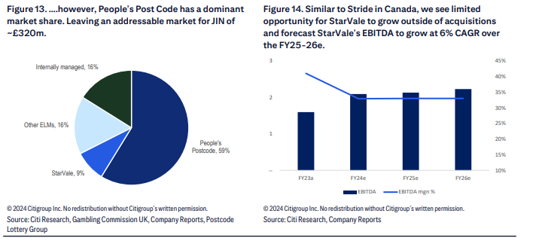

Macmillan Cancer Support |  | 13,909 | 13,471 | 13,698 | StarVale Management & Technologies Limited | Great Britain by the Gambling Commission | Lottery and raffle | https://www.macmillan.org.uk/about-us/organisation/annual-reports

St Lukes Hospice
Turnover |  | 288 | 273
Lottery Expidture & Prizes |  | -104 | -93

British Red Cross weekly lottery | https://redcross.safeandsecurewebservices.net/uploads/pdf/Lucky_Day_Lottery_Terms_&_Conditions_2023.pdf
Macmillan Cancer Support | https://lottery.macmillan.org.uk/uploads/pdf/Gaming-rgg-V2.0.pdf
Naomi House | https://www.naomihouse.org.uk/application/files/1417/0057/3150/Wessex_Childrens_Hospice_Trust_Trustees_Report_and_Financial_Statements_Year_Ending_31_March_23.pdf

Stride
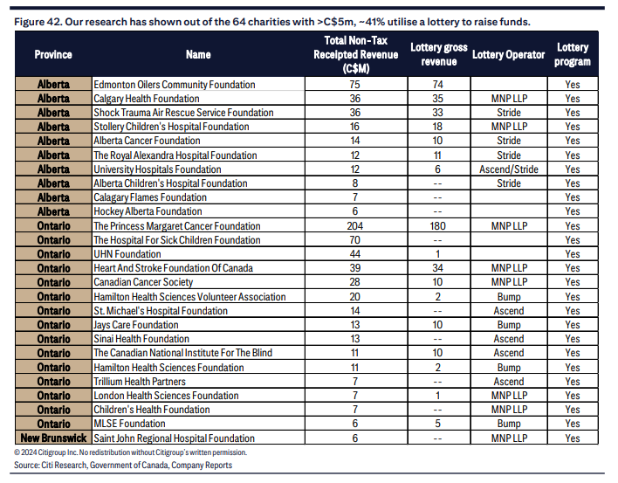
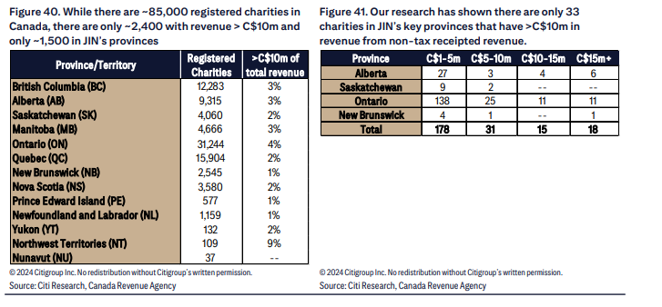
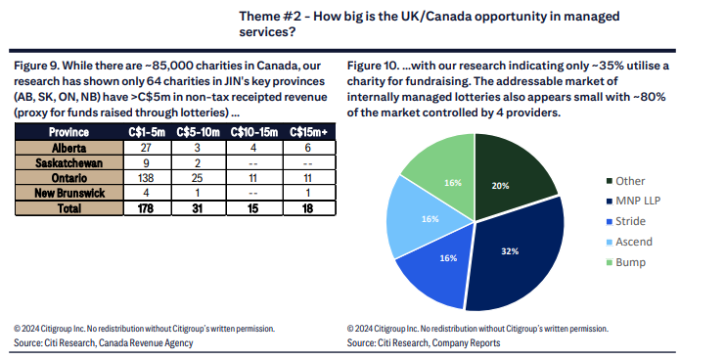
https://www.charityintelligence.ca/images/Reports/2013_lottery_report_web2.pdf

Look Into
Taber Kingsmen Club |  |  |  |  |  |  |  |  | https://taberkinsmen.ca/kar-raffle/

Competitors
https://www.ascendfs.com/ |  | was on Kidney Foundation Site

Regulators
https://aglc.ca/gaming/licences

Charities Lookup
https://www.charitydata.ca/search?fpeYear=2022&pageSize=20&sortBy=relevance&sortDirection=asc&offset=0&province=AB
https://www.charityintelligence.ca/charity-profiles/a-z-charity-listing
https://apps.cra-arc.gc.ca/ebci/hacc/srch/pub/dsplyAdvncdSrch

Couldn’t Find - Stride |  |  |  |  |  | Cant access |  |  | https://www.childrenshospital.ab.ca/about-us/accountability/financials/
Calgary Stampede Lottery | << MAIN |  |  |  |  | Cant access |  | No Lottery | https://corporate.calgarystampede.com/about-us/who-we-are/shareholder-resources/annual-report-archive
Kidney Foudation |  |  |  |  |  | Ascend Fundraising Solutions | Alcohol and Gaming Commission of Ontario | No Lottery | https://kidney.ca/About-Us/Overview/Annual-Reports-and-Financial-Statements
Childers Hospital Lottery

 |  |  | 2022-03-31 | 2023-03-31 | 2024-03-31 | Supervised by: | Regulator | Category | Link
STRIDE
Alberta Cancer Foundation |  |  |  | 8,366,674 | 10,474,479 | Cant access |  | Lottery Revenue | https://albertacancer.ca/your-impact/reports-to-our-community/
Stars |  |  | 22,581,000 | 21,763,000 |  | Stride | Alcohol and Gaming Commission of Ontario | Lottery revenue | https://stars.ca/who-we-are/community-funding/report-to-the-community/
Royal Alexandra Hospital Foundation - Full House Lottery (50%) |  |  | 8,931,301 | 6,284,861 | 5,264,910 | Stride | Alberta Gaming and Liquor Commission | Full House Lottery Revenue (50%) | https://www.royalalex.org/about/publications-and-financials
University Hospital Foundation - Full House Lottery (50%) |  |  | 8,934,940 | 6,284,861 | 5,269,014 | Stride | Alberta Gaming and Liquor Commission | Full House Lottery Revenue (50%) | https://givetouhf.ca/annual-reports/

SUM
TTV - CAD |  |  | 40,447,241 | 42,699,396 | 21,008,403
E/R |  |  | 0.9000 | 0.9000 | 0.9000
TTV - AUD |  |  | 44,941,379 | 47,443,773 | 23,342,670

Jumbo Reported (Jun-23) |  |  |  | 102,278,000 | 108,075,000

STRIDE BREAKDOWN

Alberta Cancer Foundation
Lottery TTV |  |  | 9,682,596 | 8,366,674 | 10,474,479
Prizes |  |  | -4,293,047 | -4,192,143 | -4,112,049
Marketing and other |  |  | -2,960,757 | -3,208,318 | -2,759,675
Excess of revenues over expenditures |  |  | 2,428,792 | 966,213 | 3,602,755

Stars
Lottery TTV |  |  | 22,581,000 | 21,763,000
Expenses |  |  | -10,985,000 | -11,768,000
Net lottery revenue |  |  | 11,596,000 | 9,995,000

Royal Alexandra Hospital Foundation - Full House Lottery (50%)
Revenues |  |  | 8,931,301 | 6,284,861 | 5,264,910
Expenditures: |  |  | -5,275,725 | -5,256,031 | -5,191,837
Partner proceeds |  |  | -3,722,717 | -1,130,521 | -349,227
Deficiency of revenues over expenditures and distributions |  |  | -67,141 | -101,691 | -276,154

Royal Alexandra Hospital Foundation - Win Win Staff Lottery (50%)
Revenues |  |  | 3,470,090 | 4,489,245 | 5,299,799
Expenditures |  |  | -1,127,732 | -2,214,782 | -2,049,461
Distributions |  |  | -2,523,146 | -2,253,294 | -3,260,381
Deficiency of revenues over expenditures and distributions |  |  | -180,788 | 21,169 | -10,043

University Hospital Foundation - Full House Lottery (50%)
Revenues |  |  | 8,934,940 | 6,284,861 | 5,269,014
Expenditures: |  |  | -5,275,725 | -5,256,031 | -5,340,718
Distributions |  |  | -3,722,717 | -1,132,395 | -698,453
Deficiency of revenues over expenditures and distributions |  |  | -63,502 | -103,565 | -770,157

Alberta
https://aglc.ca/about-us/publications/annual-reports

 | Mar-10 | Mar-11 | Mar-12 | Mar-13 | Mar-14 | Mar-15 | Mar-16 | Mar-17 | Mar-18 | Mar-19 | Mar-20 | Mar-21 | Mar-22 | Mar-23

RAFFLES
Charity licences | 5,908 | 6,633 | 8,217 | 9,938 | 10,042 | 11,874 | 12,013 | 13,220 | 13,322 | 14,783 | 15,112 | 3,966 | 9,797 | 14,928

Total gross proceeds | 170,137 | 131,668 | 139,013 | 143,840 | 168,236 | 133,339 | 162,954 | 163,873 | $162,235 | $173,019 | $167,891 | 175,988 | $246,013 | 273,335
Prize/winnings | -72,378 | -60,139 | -61,024 | -60,894 | -66,241 | -55,611 | -65,278 | -66,606 | -66,080 | -68,994 | -67,314 | -74,224 | -100,130 | -112,640
Expenses | -52,855 | -32,102 | -34,025 | -32,630 | -36,160 | -29,060 | -34,494 | -31,316 | -34,538 | -32,193 | -32,428 | -38,888 | -38,878 | -55,762
Net proceeds | 57,670 | 39,427 | 43,964 | 50,316 | 65,835 | 48,668 | 63,181 | 65,951 | 61,617 | 71,832 | 68,149 | 62,876 | 107,005 | 104,933

TOTAL
Total gross proceeds | 1,399,426 | 1,307,905 | 1,347,718 | 1,402,936 | 1,463,174 | 1,611,122 | 1,679,219 | 1,596,683 | 1,578,935 | 1,584,138 | 1,480,365 | 1,271,528 | 1,271,528 | 1,678,114
Net proceeds | 323,393 | 321,789 | 313,572 | 329,914 | 344,454 | 342,307 | 352,537 | 336,192 | 331,158 | 347,395 | 321,911 | 137,195 | 306,610 | 383,949

TOTAL - ex Raffles
Total gross proceeds | 1,229,289 | 1,176,237 | 1,208,705 | 1,259,096 | 1,294,938 | 1,477,783 | 1,516,265 | 1,432,810 | 1,416,700 | 1,411,119 | 1,312,474 | 1,095,540 | 1,025,515 | 1,404,779
Net proceeds | 265,723 | 282,362 | 269,608 | 279,598 | 278,619 | 293,639 | 289,356 | 270,241 | 269,541 | 275,563 | 253,762 | 74,319 | 199,605 | 279,016

% of Gross Proceeds
Prize/winnings | 42.5% | 45.7% | 43.9% | 42.3% | 39.4% | 41.7% | 40.1% | 40.6% | 40.7% | 39.9% | 40.1% | 42.2% | 40.7% | 41.2%
Expenses | 31.1% | 24.4% | 24.5% | 22.7% | 21.5% | 21.8% | 21.2% | 19.1% | 21.3% | 18.6% | 19.3% | 22.1% | 15.8% | 20.4%
Net proceeds | 33.9% | 29.9% | 31.6% | 35.0% | 39.1% | 36.5% | 38.8% | 40.2% | 38.0% | 41.5% | 40.6% | 35.7% | 43.5% | 38.4%

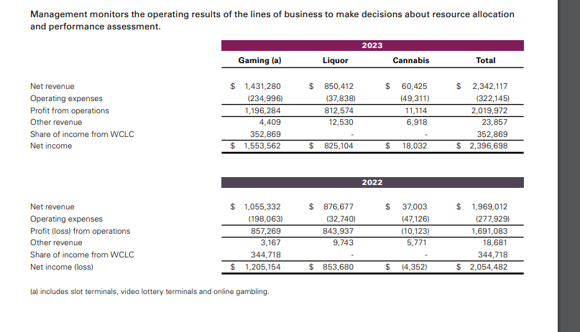
Charity licences
Bingos |  |  |  |  |  |  |  |  |  |  |  |  |  | 724
Casinos |  |  |  |  |  |  |  |  |  |  |  |  |  | 3,388
Pull Tickets |  |  |  |  |  |  |  |  |  |  |  |  |  | 153
Raffles |  |  |  |  |  |  |  |  |  |  |  |  |  | 14,928
Total |  |  |  |  |  |  |  |  |  |  |  |  |  | 19,193

Total gross proceeds
Bingos |  |  |  |  |  |  |  |  |  |  |  |  |  | $108,713
Casinos |  |  |  |  |  |  |  |  |  |  |  |  |  | $1,212,133
Pull Tickets |  |  |  |  |  |  |  |  |  |  |  |  |  | $83,933
Raffles |  |  |  |  |  |  |  |  |  |  |  |  |  | $273,335
Total |  |  |  |  |  |  |  |  |  |  |  |  |  | $1,678,114

Prize/winnings
Bingos |  |  |  |  |  |  |  |  |  |  |  |  |  | -71,200
Casinos |  |  |  |  |  |  |  |  |  |  |  |  |  | -964,465
Pull Tickets |  |  |  |  |  |  |  |  |  |  |  |  |  | -58,499
Raffles |  |  |  |  |  |  |  |  |  |  |  |  |  | -112,640
Total |  |  |  |  |  |  |  |  |  |  |  |  |  | -1,206,804

Expenses
Bingos |  |  |  |  |  |  |  |  |  |  |  |  |  | -23,044
Casinos |  |  |  |  |  |  |  |  |  |  |  |  |  | -160,290
Pull Tickets |  |  |  |  |  |  |  |  |  |  |  |  |  | -15,993
Raffles |  |  |  |  |  |  |  |  |  |  |  |  |  | -55,762
Total |  |  |  |  |  |  |  |  |  |  |  |  |  | -255,089

Net proceeds
Bingos |  |  |  |  |  |  |  |  |  |  |  |  |  | $14,469
Casinos |  |  |  |  |  |  |  |  |  |  |  |  |  | $87,378
Pull Tickets |  |  |  |  |  |  |  |  |  |  |  |  |  | $9,441
Raffles |  |  |  |  |  |  |  |  |  |  |  |  |  | $104,933
Total |  |  |  |  |  |  |  |  |  |  |  |  |  | $216,221

